Problem 1
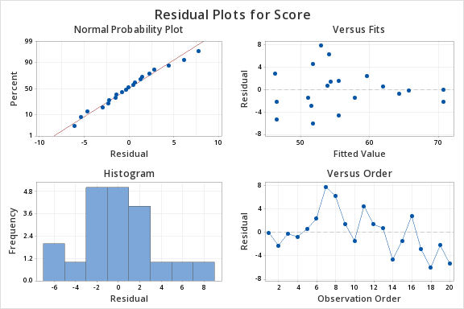
Smart Money magazine evaluated 65 metropolitan areas to detrmine where the homesales are headed. An ideal city would get a
score of 100 if all factors measured were as favorable as possible. Areas with a score of 60 or greater are considered to be prime for
appreciation, and areas with a score of below 50 may see housing values erode. Two fo the factors evaluated were the recession
resistance of the area and its affordability. Both of these factors were rated using a scale ranging from 0 (low score) to 10
(high score). The data is shown for a sample of 20 cities
a. Develop a regression equation that can be used to predict the score given the recession rating. At 0.05 level of
significance, test for a significant relationship.
b. Did the estimated regression equation developed above provide a good fit for the data? Explain.
c. Develop a regression equation that can be used to predict the score given the recession ratingand the affordability rating.
At 0.05 level of significance, test for overall significance
 |  |  |  |  |  |  |  |  |  |  |  |  |  |  | FROM MINITAB
Metro Area | RecRes | Afford | Score | a | SUMMARY OUTPUT
Tuscon | 10 | 7 | 70.7 |  |  |  |  |  |  |  |  |  |  |  | Sheet2
Fort Worth | 10 | 7 | 68.5 |  | Regression Statistics |  |  |  |  |  |  |  |  |  | Regression Analysis: Score versus RecRes
San Antonio | 6 | 8 | 65.5 |  | Multiple R | 0.65686067421 |  |  |  |  |  |  |  |  | Regression Equation
Richmond | 8 | 6 | 63.6 |  | R Square | 0.43146594533 |  |  |  |  |  |  |  |  | Score | = | 50.61 + 1.562 RecRes
Indianapolis | 4 | 8 | 62.5 |  | Adjusted R Square | 0.39988072007 |  |  |  |  |  |  |  |  | Coefficients
Philadelphia | 0 | 10 | 61.9 |  | Standard Error | 6.3390080955 |  |  |  |  |  |  |  |  | Term | Coef | SE Coef | T-Value | P-Value | VIF
Atlanta | 2 | 6 | 60.7 |  | Observations | 20 |  |  |  |  |  |  |  |  | Constant | 50.61 | 2.06 | 24.52 | 0
Phoenix | 4 | 5 | 60.3 |  |  |  |  |  |  |  |  |  |  |  | RecRes | 1.562 | 0.423 | 3.7 | 0.002 | 1
Cincinnati | 2 | 7 | 57 |  | ANOVA |  |  |  |  |  |  |  |  |  | Model Summary
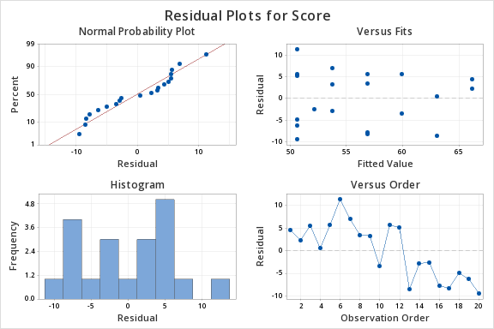
Miami | 6 | 5 | 56.5 |  |  | df | SS | MS | F | Significance F |  |  |  |  | S | R-sq | R-sq(adj) | R-sq(pred)
Hartford | 0 | 7 | 56.2 |  | Regression | 1 | 548.91507457 | 548.91507457 | 13.660372588 | 0.0016533440647 |  |  |  |  | 6.33901 | 43.15% | 39.99% | 30.25%
Birmingham | 0 | 8 | 55.7 |  | Residual | 18 | 723.29442543 | 40.183023635 |  |  |  |  |  |  | Analysis of Variance
San Diego | 8 | 2 | 54.6 |  | Total | 19 | 1272.2095 |  |  |  |  |  |  |  | Source | DF | Adj SS | Adj MS | F-Value | P-Value
Raleigh | 2 | 7 | 50.9 |  |  |  |  |  |  |  |  |  |  |  | Regression | 1 | 548.92 | 548.92 | 13.66 | 0.002
Oklahoma City | 1 | 6 | 49.6 |  |  | Coefficients | Standard Error | t Stat | P-value | Lower 95% | Upper 95% | Lower 95.0% | Upper 95.0% |  | RecRes | 1 | 548.92 | 548.92 | 13.66 | 0.002
Orange County | 4 | 2 | 49.1 |  | Intercept | 50.609535452 | 2.0640608637 | 24.519400732 | 2.7861253473E-15 | 46.273104491 | 54.945966413 | 46.273104491 | 54.945966413 |  | Error | 18 | 723.29 | 40.18
Denver | 4 | 4 | 48.6 |  | RecRes | 1.5621026895 | 0.42264750314 | 3.6959941272 | 0.0016533440647 | 0.67415323488 | 2.4500521441 | 0.67415323488 | 2.4500521441 |  | Lack-of-Fit | 5 | 94.05 | 18.81 | 0.39 | 0.848
Los Angeles | 0 | 7 | 45.7 |  |  |  |  |  |  |  |  |  |  |  | Pure Error | 13 | 629.24 | 48.4
Detroit | 0 | 5 | 44.3 |  | b0= | 50.609535452 |  |  |  |  |  |  |  |  | Total | 19 | 1272.21
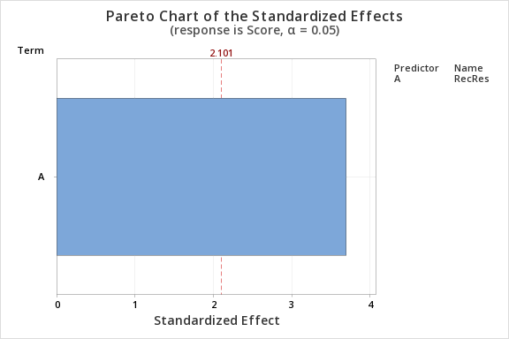
New Orleans | 0 | 5 | 41.2 |  | b1 | 1.5621026895
 |  |  |  |  | Y=b1*x+b0
 |  |  |  |  | Y=1.562*x+50.60954

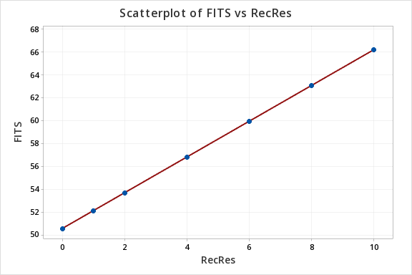
 |  |  |  |  |  | Null | h0 | beta1=0 | No linear relationship between score and recession rating
 |  |  |  |  |  | Alternate | h1 | beta1!=0 | Linear relationship between score and recession rating
 |  |  |  |  |  | t=(b1-beta1)/sb1 |  |  |  |  |  |  | b1 = regression slope
 |  |  |  |  |  |  |  |  |  |  |  |  | coefficient
 |  |  |  |  | t stat | 3.6959941272 |  |  |  |  |  |  | beta1 = hypothesized slope
 |  |  |  |  | p value | 0.0016533440647 |  |  |  |  |  |  | Sb1 = standard
 |  |  |  |  |  | Since p value is smaller than alpha we reject the null hypothesis |  |  |  |  |  |  | error of the slope
 |  |  |  |  |  | Therefore there is linear relationship between score and recession rating
 |  |  |  |  |  | Hence we can use recession rating(independent variable) to predict the value of score(dependent variable)

 |  |  |  | b) | According to the coefficient of determination ( r square ) =0.431, we can infer that 43.1% variation in score is explained by Recres variable.
 |  |  |  |  | The estimate equation line did provide a good fit for the data as the score varaible has a linear relationship with recessing ratings. (b1 regression slope coefficient was used to prove the linear relationship exists between the two variables

 |  |  |  | c) | SUMMARY OUTPUT |  |  |  |  |  |  |  |  | FROM MINITAB

 |  |  |  |  | Regression Statistics
 |  |  |  |  | Multiple R | 0.89816338395 |  |  |  |  |  |  |  | Regression Analysis: Score versus Afford, RecRes
 |  |  |  |  | R Square | 0.80669746428 |  |  |  |  |  |  |  | Regression Equation
 |  |  |  |  | Adjusted R Square | 0.78395598949 |  |  |  |  |  |  |  | Score | = | 33.48 + 2.611 Afford + 1.900 RecRes
 |  |  |  |  | Standard Error | 3.8034142736 |  |  |  |  |  |  |  | Coefficients
 |  |  |  |  | Observations | 20 |  |  |  |  |  |  |  | Term | Coef | SE Coef | T-Value | P-Value | VIF
 |  |  |  |  |  |  |  |  |  |  |  |  |  | Constant | 33.48 | 3.23 | 10.37 | 0
 |  |  |  |  | ANOVA |  |  |  |  |  |  |  |  | Afford | 2.611 | 0.454 | 5.74 | 0 | 1.05
 |  |  |  |  |  | df | SS | MS | F | Significance F |  |  |  | RecRes | 1.9 | 0.26 | 7.3 | 0 | 1.05
 |  |  |  |  | Regression | 2 | 1026.2881777 | 513.14408884 | 35.472521976 | 8.5707570445E-07 |  |  |  | Model Summary
 |  |  |  |  | Residual | 17 | 245.92132232 | 14.465960137 |  |  |  |  |  | S | R-sq | R-sq(adj) | R-sq(pred)
 |  |  |  |  | Total | 19 | 1272.2095 |  |  |  |  |  |  | 3.80341 | 80.67% | 78.40% | 75.54%
 |  |  |  |  |  |  |  |  |  |  |  |  |  | Analysis of Variance
 |  |  |  |  |  | Coefficients | Standard Error | t Stat | P-value | Lower 95% | Upper 95% | Lower 95.0% |  | Source | DF | Adj SS | Adj MS | F-Value | P-Value
 |  |  |  |  | Intercept | 33.484839252 | 3.228052213 | 10.373078576 | 9.0266856431E-09 | 26.674244407 | 40.295434097 | 26.674244407 |  | Regression | 2 | 1026.29 | 513.14 | 35.47 | 0
 |  |  |  |  | RecRes | 1.8998381415 | 0.26031518382 | 7.2982225378 | 1.2445865162E-06 | 1.3506211115 | 2.4490551715 | 1.3506211115 |  | Afford | 1 | 477.37 | 477.37 | 33 | 0
 |  |  |  |  | Afford | 2.6107762861 | 0.45447952093 | 5.7445410979 | 2.3824017566E-05 | 1.6519083131 | 3.5696442592 | 1.6519083131 |  | RecRes | 1 | 770.52 | 770.52 | 53.26 | 0
 |  |  |  |  | b0= | 33.484839252 |  |  |  |  |  |  |  | Error | 17 | 245.92 | 14.47
 |  |  |  |  | b1 | 1.8998381415 |  |  |  |  |  |  |  | Lack-of-Fit | 13 | 164.97 | 12.69 | 0.63 | 0.766
 |  |  |  |  | b2= | 2.6107762861 |  |  |  |  |  |  |  | Pure Error | 4 | 80.95 | 20.24
 |  |  |  |  | Y=b1*x+b0+b2*x^2 |  |  |  |  |  |  |  |  | Total | 19 | 1272.21
 |  |  |  |  | Y=1.899*x1+2.61*x2+33.48 |  |  |  |  |  |  |  |  | Fits and Diagnostics for Unusual Observations
$$MSR=\frac{SSR}{k} \\ MSE=\frac{SSE}{n−k−1}$$
 |  |  |  |  |  |  |  |  |  |  |  |  |  | Obs | Score | Fit | Resid | Std Resid
 |  |  |  |  |  | Null | h0 | beta1=0 | No overall significance |  |  |  |  | 7 | 60.7 | 52.95 | 7.75 | 2.1 | R
 |  |  |  |  |  | Alternate | h1 | beta1!=0 | Overall significance exista |  |  |  |  | R Large residual
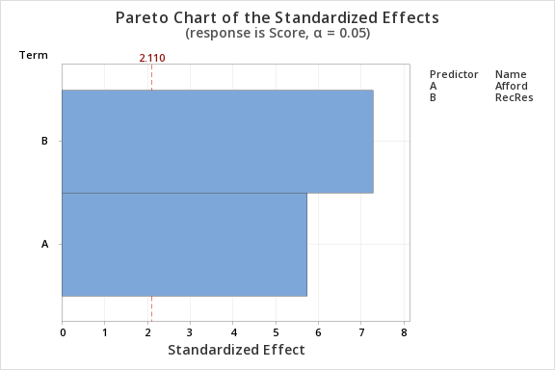
 |  |  |  |  |  | f=MSR/MSE

 |  |  |  |  | F STAT | 35.472521976
 |  |  |  |  | p value | 8.5707570445E-07
 |  |  |  |  |  | Since p value is smaller than alpha we reject the null hypothesis
 |  |  |  |  |  | Therefore there is evidence that overall RecRes and Afford do effect the scores.

Problem 2
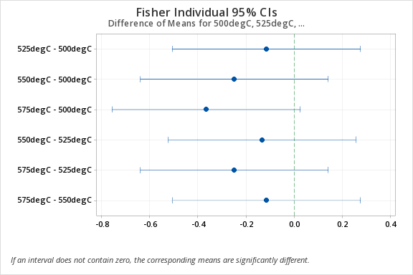
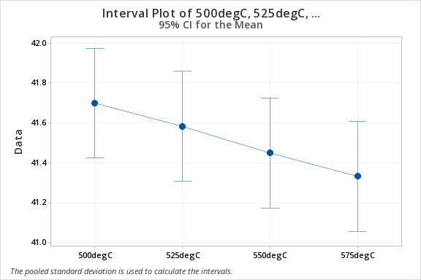
An aluminium producer manufactures carbon anodes and bakes them in a ring furnace prior to use
in the smelting operation. The baked density of the anode is an important quality characteristic, as it
may affect the anode life. One of the process engineer suspects that firing temperature in the ring
furnace affects the baked density. An experiment was run at four different temperature levels, and six |  |  |  |  |  |  |  |  |  |  |  |  |  |  |  | Using data analysis
anodes were baked at each temperature level. The data from the experiment is given below. |  |  |  |  |  |  |  |  |  |  |  |  |  |  |  | Anova: Single Factor
a. Does the firing temperature in the ring furnace affect the mean baked anode density?
b. What firing temperature would you recommend? |  |  |  |  |  | Total DOF | 23 | Treatment DOF | 3 |  | Null | mu1=mu2=mu3 |  |  |  | SUMMARY
 |  |  |  |  |  | # Treatments | 4 | Error DOF | 20 |  | Alt | Atleast one of them is different |  |  |  | Groups | Count | Sum | Average | Variance
500degC | 525degC | 550degC | 575degC | A) |  |  |  |  |  |  |  |  |  |  |  | 500degC | 6 | 250.2 | 41.7 | 0.02
41.8 | 41.4 | 41.2 | 41 |  |  |  |  |  |  |  |  |  |  |  |  | 525degC | 6 | 249.5 | 41.583333333 | 0.037666666667
41.9 | 41.3 | 41 | 40.6 |  |  | 500c | 525 C | 550c | 575c |  |  |  |  |  |  | 550degC | 6 | 248.7 | 41.45 | 0.115
41.7 | 41.7 | 41.6 | 41.8 |  | n | 6 | 6 | 6 | 6 |  |  |  |  |  |  | 575degC | 6 | 248 | 41.333333333 | 0.24666666667
41.6 | 41.6 | 41.9 | 41.2 |  | xbar | 41.7 | 41.583333333 | 41.45 | 41.333333333 |  | 41.516666667 | xdbbar
41.5 | 41.7 | 41.7 | 41.9 |  | s^2 | 0.02 | 0.037666666667 | 0.115 | 0.24666666667
41.7 | 41.8 | 41.3 | 41.5 |  | ((xbar-Xdblbar)^2 | 0.033611111111 | 0.0044444444444 | 0.0044444444444 | 0.033611111111 |  |  |  |  |  |  | ANOVA
 |  |  |  |  | n(xbar-Xdblbar)^2 | 0.20166666667 | 0.026666666667 | 0.026666666667 | 0.20166666667 |  | 0.45666666667 | SST |  |  |  | Source of Variation | SS | df | MS | F | P-value | F crit
 |  |  |  |  | (n-1)*var | 0.1 | 0.18833333333 | 0.575 | 1.2333333333 |  | 2.0966666667 | SSE |  |  |  | Between Groups | 0.45666666667 | 3 | 0.15222222222 | 1.4520402756 | 0.25761071761 | 3.0983912121
 |  |  |  |  |  |  |  |  |  |  |  |  |  |  |  | Within Groups | 2.0966666667 | 20 | 0.10483333333
 |  |  |  |  | MST | SST/(k-1) | 0.15222222222
 |  |  |  |  | MSE | SSE/(N-k) | 0.10483333333 |  |  |  |  |  |  |  |  | Total | 2.5533333333 | 23
 |  |  |  |  | F Stat |  | 1.4520402756
 |  |  |  |  | p value |  | 0.25761071761
 |  |  |  |  | Alpha |  | 0.05
 |  |  |  |  | F Critical |  | 3.0983912121
 |  |  |  |  | We fail to reject the null hypothesis as p value is smaller than alpha
 |  |  |  |  | No the firing temperature does not affect the mean baked anode density as we cannot infer that the mean of each firing temperature is different.

b) |  | Fisher's LSD |  |  |  |  |  |  |  |  | Bonferoni

 |  |  |  |  |  | t alpha/2 | 2.0859634473 |  |  |  |  |  |  |  |  | t alpha/2 | 2.9271191166

 |  |  |  |  |  | LSD | 0.38993818339 |  |  |  |  |  |  |  |  | LSD | 0.54717905647

 |  | Xbar |  | X1b-X2b | (X1b-X2b)+LSD | (X1b-X2b)-LSD |  |  |  |  | Xbar |  | X1b-X2b | (X1b-X2b)+half width | (X1b-X2b)-halfwidth
 | X1Bar | 41.7 | X1b-X2b | 0.12 | 0.51 | -0.27 | zero |  |  | X1Bar | 41.7 | X1b-X2b | 0.12 | 0.66 | -0.43 | zero
 | X2Bar | 41.583333333 | X1b-X3b | 0.25 | 0.64 | -0.14 | zero |  |  | X2Bar | 41.583333333 | X1b-X3b | 0.25 | 0.80 | -0.30 | zero
 | X3Bar | 41.45 | X1b-X4b | 0.36666666667 | 0.76 | -0.02 | zero |  |  | X3Bar | 41.45 | X1b-X4b | 0.36666666667 | 0.91 | -0.18 | zero
 | X4Bar | 41.333333333 | X2b-X3b | 0.13333333333 | 0.52 | -0.26 | zero |  |  | X4Bar | 41.333333333 | X2b-X3b | 0.13333333333 | 0.68 | -0.41 | zero
 |  |  | X2b-X4b | 0.25 | 0.64 | -0.14 | zero |  |  |  |  | X2b-X4b | 0.25 | 0.80 | -0.30 | zero
 |  |  | X3b-X4b | 0.11666666667 | 0.51 | -0.27 | zero |  |  |  |  | X3b-X4b | 0.11666666667 | 0.66 | -0.43 | zero

 |  |  |  | mu1 & mu2 | zero | Mu do not differ |  |  |  |  |  |  | mu1 & mu2 | zero | Mu do not differ
 |  |  |  | mu1&mu3 | zero | Mu do not differ |  |  |  |  |  |  | mu1&mu3 | zero | Mu do not differ
 |  |  |  | mu1&mu4 | zero | Mu do not differ |  |  |  |  |  |  | mu1&mu4 | zero | Mu do not differ
 |  |  |  | mu2&mu3 | zero | Mu do not differ |  |  |  |  |  |  | mu2&mu3 | zero | Mu do not differ
 |  |  |  | mu2&mu4 | zero | Mu do not differ |  |  |  |  |  |  | mu2&mu4 | zero | Mu do not differ
 |  |  |  | mu3&mu4 | zero | Mu do not differ |  |  |  |  |  |  | mu3&mu4 | zero | Mu do not differ

 | Fisher's LSD method is better and more widely used as it shows which Means differ. Whereas Bonferoni usually shows all means are the same as the alpha in talpha/2 is divided by the total number of possibile outcomes (nCr)

 | MSE | 0.10
Critical studentized range (q) |  | 3.79
 | omega (w) | 0.50097180282

 |  | Xbar |  | X1b-X2b | (X1b-X2b)+half width | (X1b-X2b)-halfwidth
 | X1Bar | 41.7 | X1b-X2b | 0.12 | 0.62 | -0.38 | zero
 | X2Bar | 41.583333333 | X1b-X3b | 0.25 | 0.75 | -0.25 | zero
 | X3Bar | 41.45 | X1b-X4b | 0.36666666667 | 0.87 | -0.13 | zero
 | X4Bar | 41.333333333 | X2b-X3b | 0.13333333333 | 0.63 | -0.37 | zero
 |  |  | X2b-X4b | 0.25 | 0.75 | -0.25 | zero
 |  |  | X3b-X4b | 0.11666666667 | 0.62 | -0.38 | zero

 |  | mu1 & mu2 | zero | Mu do not differ
 |  | mu1&mu3 | zero | Mu do not differ
 |  | mu1&mu4 | zero | Mu do not differ
 |  | mu2&mu3 | zero | Mu do not differ
 |  | mu2&mu4 | zero | Mu do not differ
 |  | mu3&mu4 | zero | Mu do not differ

 | Since, the mean of baked anode density is the same no matter what the firing temperature is we can choose any of the four firing temperature

 |  | FROM MINITAB

 |  | One-way ANOVA: 500degC, 525degC, 550degC, 575degC
 |  | Method
 |  | Null hypothesis | All means are equal
 |  | Alternative hypothesis | Not all means are equal
 |  | Significance level | α = 0.05
 |  | Equal variances were assumed for the analysis.
 |  | Factor Information
 |  | Factor | Levels | Values
 |  | Factor | 4 | 500degC, 525degC, 550degC, 575degC
 |  | Analysis of Variance
 |  | Source | DF | Adj SS | Adj MS | F-Value | P-Value
 |  | Factor | 3 | 0.4567 | 0.1522 | 1.45 | 0.258
 |  | Error | 20 | 2.0967 | 0.1048
 |  | Total | 23 | 2.5533
 |  | Model Summary
 |  | S | R-sq | R-sq(adj) | R-sq(pred)
 |  | 0.32378 | 17.89% | 5.57% | 0.00%
 |  | Means
 |  | Factor | N | Mean | StDev | 95% CI
 |  | 500degC | 6 | 41.7 | 0.1414 | (41.4243, 41.9757)
 |  | 525degC | 6 | 41.5833 | 0.1941 | (41.3076, 41.8591)
 |  | 550degC | 6 | 41.45 | 0.339 | (41.174, 41.726)
 |  | 575degC | 6 | 41.333 | 0.497 | (41.058, 41.609)
 |  | Pooled StDev = 0.323780
 |  | Tukey Pairwise Comparisons
 |  | Grouping Information Using the Tukey Method and 95% Confidence
 |  | Factor | N | Mean | Grouping
 |  | 500degC | 6 | 41.7 | A
 |  | 525degC | 6 | 41.5833 | A
 |  | 550degC | 6 | 41.45 | A
 |  | 575degC | 6 | 41.333 | A
 |  | Means that do not share a letter are significantly different.
 |  | Tukey Simultaneous Tests for Differences of Means
 |  | Difference of Levels | Difference | SE of | 95% CI | T-Value | Adjusted
 |  |  | of Means | Difference |  |  | P-Value
 |  | 525degC - 500degC | -0.117 | 0.187 | (-0.640, 0.407) | -0.62 | 0.923
 |  | 550degC - 500degC | -0.25 | 0.187 | (-0.773, 0.273) | -1.34 | 0.551
 |  | 575degC - 500degC | -0.367 | 0.187 | (-0.890, 0.157) | -1.96 | 0.235
 |  | 550degC - 525degC | -0.133 | 0.187 | (-0.657, 0.390) | -0.71 | 0.891
 |  | 575degC - 525degC | -0.25 | 0.187 | (-0.773, 0.273) | -1.34 | 0.551
 |  | 575degC - 550degC | -0.117 | 0.187 | (-0.640, 0.407) | -0.62 | 0.923
 |  | Individual confidence level = 98.89%
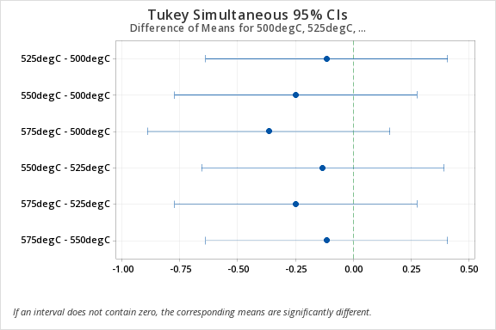

 |  | Fisher Pairwise Comparisons
 |  | Grouping Information Using the Fisher LSD Method and 95% Confidence
 |  | Factor | N | Mean | Grouping
 |  | 500degC | 6 | 41.7 | A
 |  | 525degC | 6 | 41.5833 | A
 |  | 550degC | 6 | 41.45 | A
 |  | 575degC | 6 | 41.333 | A
 |  | Means that do not share a letter are significantly different.
 |  | Fisher Individual Tests for Differences of Means
 |  | Difference of Levels | Difference | SE of | 95% CI | T-Value | Adjusted
 |  |  | of Means | Difference |  |  | P-Value
 |  | 525degC - 500degC | -0.117 | 0.187 | (-0.507, 0.273) | -0.62 | 0.54
 |  | 550degC - 500degC | -0.25 | 0.187 | (-0.640, 0.140) | -1.34 | 0.196
 |  | 575degC - 500degC | -0.367 | 0.187 | (-0.757, 0.023) | -1.96 | 0.064
 |  | 550degC - 525degC | -0.133 | 0.187 | (-0.523, 0.257) | -0.71 | 0.484
 |  | 575degC - 525degC | -0.25 | 0.187 | (-0.640, 0.140) | -1.34 | 0.196
 |  | 575degC - 550degC | -0.117 | 0.187 | (-0.507, 0.273) | -0.62 | 0.54
 |  | Simultaneous confidence level = 80.83%

Problem 3
A regional airline transfers passengers from small airports to a larger regional hub airport. The airline's data analyst was assigned to estimate the revenue (in thousands of dollars) generated by each of the 22 small airports based on two variables: the distance from each airport (in miles) to the hub and the population (in hundreds) of the cities in which each of the 22 airports is located. The data is given: a. produce three scatter plots: Revenue Vs. Distance; Revenue Vs. population; Distance Vs. Population. b. For the 22 airports, is there a strong correlation between airport distance from the regional hub and city population? c. Does there appear to be a problem with high leverage points? Justify your answer. d. Fit a first order rregression model relating revenue to distance and population size. Comment on the quality of the fit of the model to the data. e. Do the two estimated slopes appear to have the appropriate aign? If not, explain why? |  |  |  |  |  |  |  |  |  |  |  | Airport | Revenue | Distance | Population
 |  |  |  |  |  |  |  |  |  |  |  | 1 | 233 | 233 | 56
 |  |  |  |  |  |  |  |  |  |  |  | 2 | 272 | 209 | 74
 |  |  |  |  |  |  |  |  |  |  |  | 3 | 253 | 206 | 67
 |  |  |  |  |  |  |  |  |  |  |  | 4 | 296 | 232 | 78
 |  |  |  |  |  |  |  |  |  |  |  | 5 | 268 | 125 | 73
 |  |  |  |  |  |  |  |  |  |  |  | 6 | 296 | 245 | 54
 |  |  |  |  |  |  |  |  |  |  |  | 7 | 276 | 213 | 100
 |  |  |  |  |  |  |  |  |  |  |  | 8 | 235 | 134 | 98
 |  |  |  |  |  |  |  |  |  |  |  | 9 | 253 | 140 | 95
 |  |  |  |  |  |  |  |  |  |  |  | 10 | 233 | 165 | 81
 |  |  |  |  |  |  |  |  |  |  |  | 11 | 240 | 234 | 52
Revenue vs distance
 |  |  |  |  |  |  |  |  |  |  |  | 12 | 267 | 205 | 96
a) |  |  |  |  |  |  |  |  |  |  |  | 13 | 338 | 214 | 96
 |  |  |  |  |  |  |  |  |  |  |  | 14 | 243 | 183 | 73
 |  |  |  |  |  |  |  |  |  |  |  | 15 | 252 | 230 | 55
 |  |  |  |  |  |  |  |  |  |  |  | 16 | 269 | 238 | 91
 |  |  |  |  |  |  |  |  |  |  |  | 17 | 242 | 144 | 64
 |  |  |  |  |  |  |  |  |  |  |  | 18 | 233 | 220 | 60
 |  |  |  |  |  |  |  |  |  |  |  | 19 | 234 | 170 | 60
 |  |  |  |  |  |  |  |  |  |  |  | 20 | 450 | 170 | 240
 |  |  |  |  |  |  |  |  |  |  |  | 21 | 340 | 290 | 70
Revenue vs Population
 |  |  |  |  |  |  |  |  |  |  |  | 22 | 200 | 340 | 75
Distance vs Population

b) |  | Distance | Population
 | Distance | 1
 | Population | -0.23964988549 | 1

 | there is a negative correlation between airport distance from the regional hub and city population

c) | Yes there appears to be a problem with the leverage points from the above scatterplots. As all of the scatterplots have a outlier or an extereme point
 | Because of which the regression line on scatter plot does not give the right trend line

d) | SUMMARY OUTPUT |  |  |  |  |  |  |  |  | FROM MINITAB

 | Regression Statistics
 | Multiple R | 0.77890989004 |  |  |  |  |  |  |  | Regression Analysis: Revenue versus Distance, Population
 | R Square | 0.6067006168 |  |  |  |  |  |  |  | Regression Equation
 | Adjusted R Square | 0.56530068172 |  |  |  |  |  |  |  | Revenue | = | 144.4 + 0.169 Distance + 1.094 Population
 | Standard Error | 34.69736718 |  |  |  |  |  |  |  | Coefficients
 | Observations | 22 |  |  |  |  |  |  |  | Term | Coef | SE Coef | T-Value | P-Value | VIF
 |  |  |  |  |  |  |  |  |  | Constant | 144.4 | 39.5 | 3.65 | 0.002
 | ANOVA |  |  |  |  |  |  |  |  | Distance | 0.169 | 0.152 | 1.11 | 0.279 | 1.06
 |  | df | SS | MS | F | Significance F |  |  |  | Population | 1.094 | 0.202 | 5.41 | 0 | 1.06
 | Regression | 2 | 35285.625141 | 17642.812571 | 14.654627253 | 0.00014121181028 |  |  |  | Model Summary
 | Residual | 19 | 22874.238495 | 1203.9072892 |  |  |  |  |  | S | R-sq | R-sq(adj) | R-sq(pred)
 | Total | 21 | 58159.863636 |  |  |  |  |  |  | 34.6974 | 60.67% | 56.53% | 19.37%
 |  |  |  |  |  |  |  |  |  | Analysis of Variance
 |  | Coefficients | Standard Error | t Stat | P-value | Lower 95% | Upper 95% | Lower 95.0% | Upper 95.0% | Source | DF | Adj SS | Adj MS | F-Value | P-Value
 | Intercept | 144.38847442 | 39.531213916 | 3.652518102 | 0.0016933941178 | 61.648692797 | 227.12825605 | 61.648692797 | 227.12825605 | Regression | 2 | 35286 | 17643 | 14.65 | 0
 | Distance | 0.16917717299 | 0.15186012582 | 1.1140328778 | 0.2791598969 | -0.14866972326 | 0.48702406925 | -0.14866972326 | 0.48702406925 | Distance | 1 | 1494 | 1494 | 1.24 | 0.279
 | Population | 1.0942418127 | 0.20224284395 | 5.4105341446 | 3.2045480216E-05 | 0.67094267546 | 1.5175409499 | 0.67094267546 | 1.5175409499 | Population | 1 | 35243 | 35243 | 29.27 | 0
 |  |  |  |  |  |  |  |  |  | Error | 19 | 22874 | 1204
 | b0= | 144.38847442 |  |  |  |  |  |  |  | Total | 21 | 58160
 | b1 | 0.16917717299 |  |  |  |  |  |  |  | Fits and Diagnostics for Unusual Observations
 | b2= | 1.0942418127 |  |  |  |  |  |  |  | Obs | Revenue | Fit | Resid | Std Resid
 | Y=b1*x+b0+b2*x^2 |  |  |  |  |  |  |  |  | 20 | 450 | 435.8 | 14.2 | 1.05 |  | X
 | Y=0.169*x1+1.094*x2+144.3885 |  |  |  |  |  |  |  |  | 21 | 340 | 270 | 70 | 2.22 | R
 |  |  |  |  |  |  |  |  |  | 22 | 200 | 284 | -84 | -3.07 | R
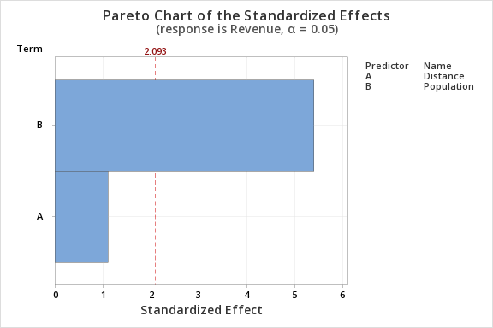
 |  | Null | h0 | beta1=0 | No overall significance |  |  |  |  | R Large residual
 |  | Alternate | h1 | beta1!=0 | Overall significance exista |  |  |  |  | X Unusual X
 |  | f=MSR/MSE

 | F STAT | 14.654627253
 | p value | 0.00014121181028
 |  | Since p value is smaller than alpha we reject the null hypothesis
 |  | Therefore there is evidence that overall the independent variables do effect the revenue
 |  | the model is valid
 | NOW LETS CHECK IF EACH INDEPENDENT VARIABLE HAS LINEAR RELATIONSHIP WITH REVENUE

 |  | Null | h0 | beta1=0 | No linear relationship between distance and revenue
 |  | Alternate | h1 | beta1!=0 | Linear relationship between distance and revenue
 |  | t=(b1-beta1)/sb1 |  |  |  |  |  |  | b1 = regression slope
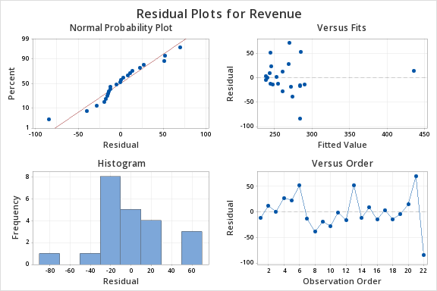
 |  |  |  |  |  |  |  |  | coefficient
 | t stat | 1.1140328778 |  |  |  |  |  |  | beta1 = hypothesized slope
 | p value | 0.2791598969 |  |  |  |  |  |  | Sb1 = standard
 |  | Since p value is larger than alpha we fail to reject the null hypothesis |  |  |  |  |  |  | error of the slope
 |  | Therefore there is no linear relationship between revnue and distance
 |  | Hence we cannot use distance (independent variable) to predict the value of revnue (dependent variable)

 |  | Null | h0 | beta1=0 | No linear relationship between population and revenue
 |  | Alternate | h1 | beta1!=0 | Linear relationship between population and revenue
 |  | t=(b2-beta1)/sb2 |  |  |  |  |  |  | b1 = regression slope
 |  |  |  |  |  |  |  |  | coefficient
 | t stat | 5.4105341446 |  |  |  |  |  |  | beta1 = hypothesized slope
 | p value | 3.2045480216E-05 |  |  |  |  |  |  | Sb1 = standard
 |  | Since p value is smaller than alpha we reject the null hypothesis |  |  |  |  |  |  | error of the slope
 |  | Therefore there is linear relationship between revnue and population
 |  | Hence we can use population(independent variable) to predict the value of revenue(dependent variable)

e) | From the above calculations we can observe that the revenue is higher when distance is larger. But there is no significance relationship as the p value is larger than alpha, so distance is non-significant. Whereas, population is significant as the p value is smaller than alpha and it has a positive slope with respect to revenue.

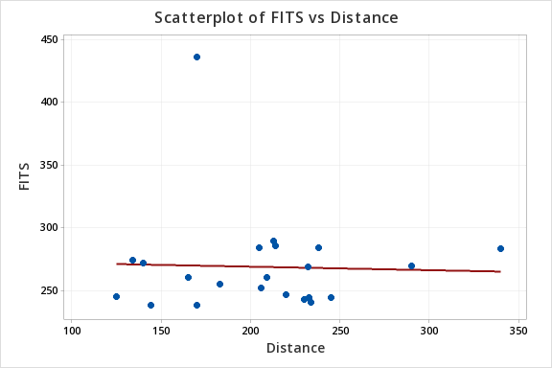
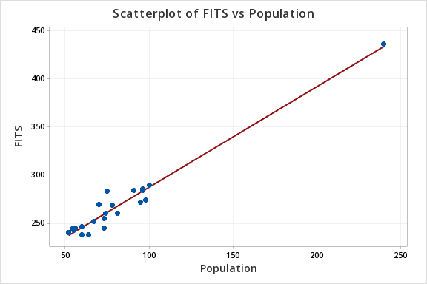

 |  | distance has a negative slope with revenue but a positive coefficient in regression line equation. Nevertheless, it is non-significant in estimation of revenue.

Problem 4
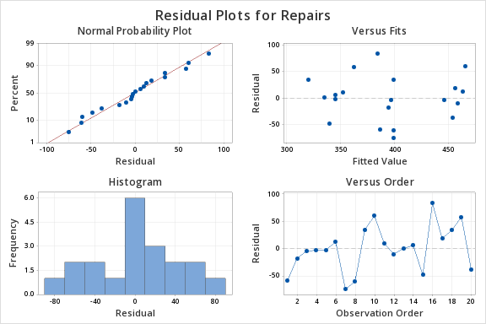
 |  |  |  |  |  | Age | Repairs | A) | SUMMARY OUTPUT
 |  |  |  |  |  | 110 | 327.67
 |  |  |  |  |  | 113 | 376.68 |  | Regression Statistics
 |  |  |  |  |  | 114 | 392.52 |  | Multiple R | 0.75223430037
 |  |  |  |  |  | 134 | 443.14 |  | R Square | 0.56585644265
 |  |  |  |  |  | 93 | 342.62 |  | Adjusted R Square | 0.54173735613
 |  |  |  |  |  | 141 | 476.16 |  | Standard Error | 43.318479583
 |  |  |  |  |  | 115 | 324.74 |  | Observations | 20
 |  |  |  |  |  | 115 | 338.98
 |  |  |  |  |  | 115 | 433.45 |  | ANOVA
 |  |  |  |  |  | 142 | 526.37 |  |  | df | SS | MS | F | Significance F
 |  |  |  |  |  | 96 | 362.42 |  | Regression | 1 | 44024.235174 | 44024.235174 | 23.46094004 | 0.00013037736804
 |  |  |  |  |  | 139 | 448.76 |  | Residual | 18 | 33776.832121 | 1876.4906734
 |  |  |  |  |  | 89 | 335.27 |  | Total | 19 | 77801.067295
 |  |  |  |  |  | 93 | 350.94
 |  |  |  |  |  | 91 | 291.81 |  |  | Coefficients | Standard Error | t Stat | P-value | Lower 95% | Upper 95% | Lower 95.0% | Upper 95.0%
 |  |  |  |  |  | 109 | 467.80 |  | Intercept | 114.85246576 | 58.685442514 | 1.9570861332 | 0.066029842014 | -8.4410738538 | 238.14600538 | -8.4410738538 | 238.14600538
 |  |  |  |  |  | 138 | 474.48 |  | Age | 2.4733395169 | 0.51063553216 | 4.8436494546 | 0.00013037736804 | 1.4005340728 | 3.5461449609 | 1.4005340728 | 3.5461449609
 |  |  |  |  |  | 83 | 354.15
 |  |  |  |  |  | 100 | 420.11 |  | b0= | 114.85246576
 |  |  |  |  |  | 137 | 416.04 |  | b1 | 2.4733395169
 |  |  |  |  |  |  |  |  | Y=b1*x+b0
 |  |  |  |  |  |  |  |  | Y=2.4733*x+114.8525

 |  |  |  |  |  |  |  | B) | The sample regression line is Y=2.4733*x+114.8525. The slope b1=2.4733, there is an increase of 2.4733 repair cost for one increase in age years. Here the slope is linear and positive. So there is a positive linear relationship between x and y. The Y-intercept b0=114.8525. The Y-intercept is the point where y-axis and regression line intersect. So for x=0 the temp Y= 114.8525 i.e for every step Y is added with a value of 114.8525.

 |  |  |  |  |  |  |  |  | R^2= CoV(X,Y)^2 /(VarX * VarY)
 |  |  |  |  |  |  |  | c) | R^2 | 0.56585644265
 |  |  |  |  |  |  |  |  | According to the coefficient of determination ( r square ) =0.565, we can infer that 56.5% variation in repairs cost is explained by age variable.
FROM MINITAB

4 |  |  |  |  |  |  |  | d) |  | Null | h0 | beta1=0 | No linear relationship between score and recession rating
Regression Analysis: Repairs versus Age |  |  |  |  |  |  |  |  |  | Alternate | h1 | beta1!=0 | Linear relationship between score and recession rating
Regression Equation |  |  |  |  |  |  |  |  |  | t=(b1-beta1)/sb1 |  |  |  |  |  |  | b1 = regression slope
Repairs | = | 114.9 + 2.473 Age |  |  |  |  |  |  |  |  |  |  |  |  |  |  | coefficient
Coefficients |  |  |  |  |  |  |  |  | t stat | 4.8436494546 |  |  |  |  |  |  | beta1 = hypothesized slope
Term | Coef | SE Coef | T-Value | P-Value | VIF |  |  |  | p value | 0.00013037736804 |  |  |  |  |  |  | Sb1 = standard
Constant | 114.9 | 58.7 | 1.96 | 0.066 |  |  |  |  |  | Since p value is smaller than alpha we reject the null hypothesis |  |  |  |  |  |  | error of the slope
Age | 2.473 | 0.511 | 4.84 | 0 | 1 |  |  |  |  | Therefore there is linear relationship between age and cost of repair
Model Summary |  |  |  |  |  |  |  | e) | Hence we can use age(independent variable) to predict the value of repair(dependent variable)
S | R-sq | R-sq(adj) | R-sq(pred) |  |  |  |  |  | from Mintab
43.3185 | 56.59% | 54.17% | 48.36%
Analysis of Variance |  |  |  |  |  |  |  |  | Prediction for Repairs
Source | DF | Adj SS | Adj MS | F-Value | P-Value |  |  |  | Regression Equation
Regression | 1 | 44024 | 44024 | 23.46 | 0 |  |  |  | Repairs | = | 114.9 + 2.473 Age
Age | 1 | 44024 | 44024 | 23.46 | 0 |  |  |  | Settings
Error | 18 | 33777 | 1876 |  |  |  |  |  | Variable | Setting
Lack-of-Fit | 15 | 26760 | 1784 | 0.76 | 0.692 |  |  |  | Age | 120
Pure Error | 3 | 7016 | 2339 |  |  |  |  |  | Prediction
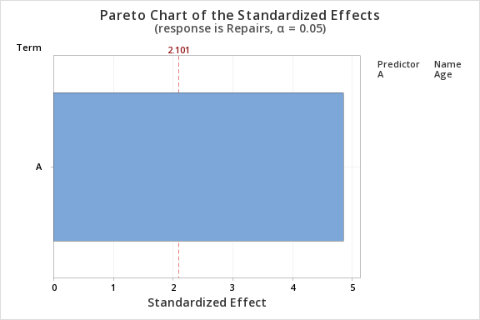
Total | 19 | 77801 |  |  |  |  |  |  | Fit | SE Fit | 95% CI | 95% PI
 |  |  |  |  |  |  |  |  | 411.653 | 10.2643 | (390.089, 433.218) | (318.125, 505.182)

 |  |  |  |  |  |  |  |  | We can predict that the cost of repairs for 120 months old car seat will be between (318.125, 505.182) with 95% confidence

Problem 5
 |  |  | A)

 |  |  |  | from minitab
 |  |  | B) | Regression Analysis: Height CM versus Index finger length (cm), Gender
 |  |  |  | Method
 |  |  |  | Categorical predictor coding | (1, 0)
 |  |  |  | Regression Equation
 |  |  |  | Gender
 |  |  |  | 0 | Height CM | = | 137.72 + 3.778 Index finger length (cm)

 |  |  |  | 1 | Height CM | = | 149.88 + 3.778 Index finger length (cm)
 |  |  |  | Coefficients
 |  |  |  | Term | Coef | SE Coef | T-Value | P-Value | VIF
 |  |  |  | Constant | 137.72 | 5.47 | 25.19 | 0
Index finger length (cm) | Height CM | Gender |  | Index finger length (cm) | 3.778 | 0.787 | 4.8 | 0 | 1.24
5.8 | 154.9 | 0 |  | Gender
6.1 | 154.9 | 0 |  | 1 | 12.16 | 1.21 | 10.08 | 0 | 1.24
6.1 | 154.9 | 0 |  | Model Summary
6.8 | 154.9 | 0 |  | S | R-sq | R-sq(adj) | R-sq(pred)
6.9 | 154.9 | 0 |  | 5.89986 | 63.85% | 63.24% | 62.10%
7.2 | 154.9 | 0 |  | Analysis of Variance
6.3 | 155.0 | 0 |  | Source | DF | Adj SS | Adj MS | F-Value | P-Value
6.6 | 155.0 | 0 |  | Regression | 2 | 7255.3 | 3627.64 | 104.22 | 0
7.3 | 155.0 | 0 |  | Index finger length (cm) | 1 | 801 | 801.04 | 23.01 | 0
6.0 | 156.2 | 0 |  | Gender | 1 | 3539.9 | 3539.92 | 101.7 | 0
4.8 | 157.5 | 0 |  | Error | 118 | 4107.4 | 34.81
6.6 | 157.5 | 0 |  | Lack-of-Fit | 47 | 1527.7 | 32.5 | 0.89 | 0.654
6.7 | 157.5 | 0 |  | Pure Error | 71 | 2579.7 | 36.33
6.7 | 157.5 | 0 |  | Total | 120 | 11362.7
6.4 | 160.0 | 0 |  | Fits and Diagnostics for Unusual Observations
6.4 | 160.0 | 0 |  | Obs | Height CM | Fit | Resid | Std Resid
6.5 | 160.0 | 0 |  | 11 | 157.5 | 155.86 | 1.64 | 0.29
7.1 | 161.3 | 0 |  | 31 | 165.1 | 156.61 | 8.49 | 1.5
6.0 | 162.6 | 0 |  | 37 | 165.1 | 180.1 | -15 | -2.57 | R | X
6.1 | 162.6 | 0 |  | 63 | 172.7 | 171.72 | 0.98 | 0.17 |  | X
6.5 | 162.6 | 0 |  | 67 | 175.3 | 162.66 | 12.64 | 2.17 | R
6.8 | 162.6 | 0 |  | 88 | 179.1 | 166.06 | 13.04 | 2.24 | R | X
7.0 | 162.6 | 0 |  | 92 | 180.3 | 171.41 | 8.89 | 1.57
7.0 | 162.6 | 0 |  | 93 | 180.3 | 164.54 | 15.76 | 2.7 | R
7.4 | 162.6 | 0 |  | 119 | 190.5 | 178.21 | 12.29 | 2.1 | R | X
7.5 | 162.6 | 0
6.6 | 163.0 | 0 |  | Null | h0 | beta1=0 | No linear relationship between height and index length
6.7 | 163.5 | 0 |  | Alternate | h1 | beta1!=0 | Linear relationship between height and index length
6.4 | 163.8 | 0 |  | t=(b1-beta1)/sb1 |  |  |  |  |  |  | b1 = regression slope
7.2 | 165.0 | 0 |  |  |  |  |  |  |  |  | coefficient
5.0 | 165.1 | 0 |  | t stat | 4.8005082592 |  |  |  |  |  | beta1 = hypothesized slope
6.4 | 165.1 | 0 |  | p value | 0 |  |  |  |  |  | Sb1 = standard
6.6 | 165.1 | 0 |  | Since p value is smaller than alpha we reject the null hypothesis |  |  |  |  |  |  | error of the slope
6.8 | 165.1 | 0 |  | Therefore there is linear relationship between index finger length and height
7.1 | 165.1 | 0 |  | Hence we can use index length(independent variable) to predict the value of height(dependent variable)
7.5 | 165.1 | 0
8.0 | 165.1 | 1 | c) | FOR GENDER 1 (MALE)
8.3 | 165.1 | 0
6.9 | 166.0 | 0 |  | Prediction for Height CM
7.0 | 166.4 | 0 |  | Regression Equation
7.0 | 166.4 | 1 |  | Height CM | 137.72 + 3.778 Index finger length (cm) + 0.000000 Gender_0 + 12.16 Gender_1
7.4 | 166.4 | 0 |  | Settings
6.4 | 167.6 | 1 |  | Variable | Setting
6.5 | 167.6 | 0 |  | Index finger length (cm) | 6.5
7.3 | 167.6 | 0 |  | Gender | 1
7.5 | 167.6 | 0 |  | Prediction
7.6 | 167.6 | 0 |  | Fit | SE Fit | 95% CI | 95% PI
8.5 | 167.6 | 0 |  | 174.437 | 1.0899 | (172.278, 176.595) | (162.556, 186.318)
6.5 | 168.4 | 1 |  | We can predict that the height of male with a index length of 6.5cm will be between (162.556, 186.318) with 95% confidence
6.8 | 168.9 | 1
7.9 | 170.0 | 1 |  | FOR GENDER 0 (FEMALE)
5.8 | 170.2 | 1 |  | Prediction for Height CM
7.1 | 170.2 | 1 |  | Regression Equation
7.5 | 170.2 | 1 |  | Height CM | = | 137.72 + 3.778 Index finger length (cm) + 0.000000 Gender_0 + 12.16 Gender_1
7.5 | 170.2 | 1 |  | Settings
7.8 | 170.3 | 0 |  | Variable | Setting
7.5 | 171.5 | 1 |  | Index finger length (cm) | 6.5
7.6 | 172.1 | 1 |  | Gender | 0
7.3 | 172.7 | 0 |  | Prediction
7.5 | 172.7 | 1 |  | Fit | SE Fit | 95% CI | 95% PI
7.9 | 172.7 | 1 |  | 162.278 | 0.86014 | (160.574, 163.981) | (150.471, 174.085)
8.2 | 172.7 | 1
9.0 | 172.7 | 0 |  | We can predict that the height of female with a index length of 6.5cm will be between ((150.471, 174.085) with 95% confidence
7.2 | 173.0 | 1
7.7 | 174.5 | 1
7.4 | 174.6 | 1 |  | Since the p value is smaller than alpha and index finger length can be used to predict actual hieght, we can conclude that Yes the prediction might be useful as the male gender uploading their information would not be aware of the linear relationship between index length and height, and might end up uploading right index finger length and then lie about their height. In such scenarios, the false claims can be corrected
6.6 | 175.3 | 0
7.0 | 175.3 | 1
7.0 | 175.3 | 1
7.1 | 175.3 | 0
7.2 | 175.3 | 1
7.5 | 175.3 | 1
7.5 | 175.3 | 1
7.6 | 175.3 | 1
8.0 | 175.3 | 1
8.1 | 175.3 | 1
7.6 | 176.4 | 1
6.4 | 176.5 | 1
7.0 | 176.5 | 1
7.1 | 176.5 | 1
6.8 | 177.8 | 1
7.4 | 177.8 | 1
7.8 | 177.8 | 0
8.1 | 177.8 | 1
8.2 | 177.8 | 1
7.6 | 178.2 | 1
7.0 | 179.1 | 1
7.5 | 179.1 | 0
7.6 | 179.1 | 1
7.9 | 180.0 | 1
8.5 | 180.1 | 1
5.7 | 180.3 | 1
7.1 | 180.3 | 0
7.1 | 180.3 | 1
7.5 | 180.3 | 1
7.8 | 180.3 | 1
7.8 | 180.3 | 1
7.9 | 180.3 | 1
9.0 | 180.3 | 1
8.4 | 180.4 | 1
8.3 | 181.7 | 1
7.8 | 181.8 | 1
7.6 | 181.9 | 1
6.9 | 182.9 | 1
7.0 | 182.9 | 1
7.5 | 182.9 | 1
9.0 | 182.9 | 1
7.9 | 185.0 | 1
7.1 | 185.4 | 1
7.3 | 185.4 | 1
7.6 | 185.4 | 1
8.0 | 185.4 | 1
8.3 | 185.4 | 1
7.3 | 186.7 | 1
8.0 | 187.5 | 1
7.1 | 188.0 | 1
8.5 | 188.0 | 1
8.3 | 188.3 | 1
7.5 | 190.5 | 1
8.2 | 191.0 | 1
8.0 | 191.4 | 1

Problem 6
 |  |  |  |  |  | SUMMARY OUTPUT
 |  |  |  |  |  |  |  |  |  |  |  |  |  |  | Regression Analysis: MBA GPA versus UnderGPA, GMAT, Work
 |  |  |  |  |  | Regression Statistics |  |  |  |  |  |  |  |  | Regression Equation
 |  |  |  |  |  | Multiple R | 0.68083160249 |  |  |  |  |  |  |  | MBA GPA | = | 0.47 + 0.063 UnderGPA + 0.01128 GMAT + 0.0926 Work
 |  |  |  |  |  | R Square | 0.46353167095 |  |  |  |  |  |  |  | Coefficients
 |  |  |  |  |  | Adjusted R Square | 0.44459749464 |  |  |  |  |  |  |  | Term | Coef | SE Coef | T-Value | P-Value | VIF
 |  |  |  |  |  | Standard Error | 0.78793827172 |  |  |  |  |  |  |  | Constant | 0.47 | 1.51 | 0.31 | 0.758
 |  |  |  |  |  | Observations | 89 |  |  |  |  |  |  |  | UnderGPA | 0.063 | 0.12 | 0.52 | 0.602 | 1
 |  |  |  |  |  |  |  |  |  |  |  |  |  |  | GMAT | 0.01128 | 0.00138 | 8.16 | 0 | 1
 |  |  |  |  |  | ANOVA |  |  |  |  |  |  |  |  | Work | 0.0926 | 0.0309 | 3 | 0.004 | 1
 |  |  |  |  |  |  | df | SS | MS | F | Significance F |  |  |  | Model Summary
 |  |  |  |  |  | Regression | 3 | 45.597249021 | 15.199083007 | 24.481216565 | 1.6397701746E-11 |  |  |  | S | R-sq | R-sq(adj) | R-sq(pred)
 |  |  |  |  |  | Residual | 85 | 52.771971203 | 0.62084672004 |  |  |  |  |  | 0.787938 | 46.35% | 44.46% | 41.03%
 |  |  |  |  |  | Total | 88 | 98.369220225 |  |  |  |  |  |  | Analysis of Variance
 |  |  |  |  |  |  |  |  |  |  |  |  |  |  | Source | DF | Adj SS | Adj MS | F-Value | P-Value
 |  |  |  |  |  |  | Coefficients | Standard Error | t Stat | P-value | Lower 95% | Upper 95% | Lower 95.0% | Upper 95.0% | Regression | 3 | 45.5972 | 15.1991 | 24.48 | 0
 |  |  |  |  |  | Intercept | 0.46609314872 | 1.5056307019 | 0.30956671389 | 0.757648094 | -2.5275040563 | 3.4596903538 | -2.5275040563 | 3.4596903538 | UnderGPA | 1 | 0.1704 | 0.1704 | 0.27 | 0.602
 |  |  |  |  |  | UnderGPA | 0.062827007745 | 0.11993027411 | 0.52386278788 | 0.60173726468 | -0.1756265074 | 0.30128052289 | -0.1756265074 | 0.30128052289 | GMAT | 1 | 41.3272 | 41.3272 | 66.57 | 0
 |  |  |  |  |  | GMAT | 0.011281399534 | 0.0013827295026 | 8.1587899245 | 2.7115236612E-12 | 0.0085321628391 | 0.014030636228 | 0.0085321628391 | 0.014030636228 | Work | 1 | 5.5718 | 5.5718 | 8.97 | 0.004
 |  |  |  |  |  | Work | 0.092594980153 | 0.030908711311 | 2.9957567373 | 0.0035866324078 | 0.031140181391 | 0.15404977891 | 0.031140181391 | 0.15404977891 | Error | 85 | 52.772 | 0.6208
 |  |  |  |  |  |  |  |  |  |  |  |  |  |  | Total | 88 | 98.3692
 |  |  |  |  | A) | b0= | 0.062827007745 |  |  |  |  |  |  |  | Fits and Diagnostics for Unusual Observations
 |  |  |  |  |  | b1 | 0.011281399534 |  |  |  |  |  |  |  | Obs | MBA GPA | Fit | Resid | Std Resid
 |  |  |  |  |  | b2= | 0.092594980153 |  |  |  |  |  |  |  | 11 | 6.52 | 8.353 | -1.833 | -2.38 | R
 |  |  |  |  |  | Y=b1*x+b0+b2*x^2 |  |  |  |  |  |  |  |  | 17 | 10.56 | 8.835 | 1.725 | 2.23 | R
 |  |  |  |  |  | Y=0.169*x1+1.094*x2+144.3885 |  |  |  |  |  |  |  |  | 22 | 9.76 | 8.185 | 1.575 | 2.04 | R
 |  |  |  |  |  |  |  |  |  |  |  |  |  |  | R Large residual
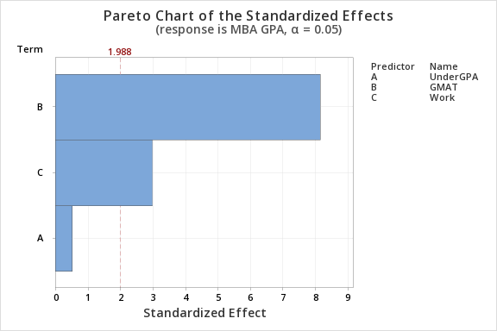
MBA GPA | UnderGPA | GMAT | Work | Degree | B) |  | Null | h0 | beta1=0 | No overall significance
8.43 | 10.89 | 584 | 9 | 4 |  |  | Alternate | h1 | beta1!=0 | Overall significance exista
6.58 | 10.38 | 483 | 7 | 4 |  |  | f=MSR/MSE
8.15 | 10.39 | 484 | 4 | 2
8.88 | 10.73 | 646 | 6 | 3 |  | F STAT | 24.481216565
7.69 | 11.17 | 551 | 4 | 1 |  | p value | 1.6397701746E-11
8.55 | 9.69 | 591 | 4 | 2 |  |  | Since p value is smaller than alpha we reject the null hypothesis
8.7 | 10.37 | 625 | 3 | 1 |  |  | Therefore there is evidence that overall the independent variables do effect the MBA GPA
8.27 | 11.02 | 636 | 4 | 4
7.57 | 10.72 | 515 | 4 | 1 |  | NOW LETS CHECK IF EACH INDEPENDENT VARIABLE HAS LINEAR RELATIONSHIP WITH MBA GPA
8.5 | 10.22 | 636 | 4 | 4
6.52 | 10.86 | 614 | 3 | 1 | C) |  | Null | h0 | beta1=0 | No linear relationship between MBA GPA and under gpa
8.24 | 11.14 | 646 | 4 | 3 |  |  | Alternate | h1 | beta1!=0 | Linear relationship between MBA GPA and undergpa
8.11 | 9.46 | 534 | 11 | 3 |  |  | t=(b1-beta1)/sb1 |  |  |  |  |  |  | b1 = regression slope
6.8 | 10.78 | 502 | 5 | 2 |  |  |  |  |  |  |  |  |  | coefficient
10.01 | 9.45 | 684 | 3 | 3 |  | t stat | 0.52386278788 |  |  |  |  |  |  | beta1 = hypothesized slope
8.42 | 9.83 | 641 | 6 | 4 |  | p value | 0.60173726468 |  |  |  |  |  |  | Sb1 = standard
10.56 | 10.76 | 608 | 9 | 4 |  |  | Since p value is larger than alpha we fail to reject the null hypothesis |  |  |  |  |  |  | error of the slope
7.72 | 10.44 | 520 | 4 | 2 |  |  | Therefore there is no linear relationship between MBA gpa and undergrad gpa
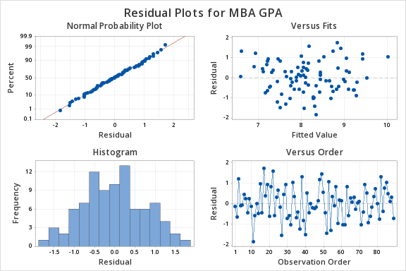
8.18 | 10.8 | 516 | 3 | 3 |  |  | Hence we cannot use undergrad gpa (independent variable) to predict the value of mba gpa (dependent variable)
8.61 | 9.88 | 679 | 5 | 1
8.05 | 10.42 | 467 | 9 | 2 |  |  | Null | h0 | beta1=0 | No linear relationship between MBA GPA and GMAT
9.76 | 9.45 | 607 | 3 | 3 |  |  | Alternate | h1 | beta1!=0 | Linear relationship between MBA GPA and GMAT
8.54 | 10.67 | 608 | 12 | 4 |  |  | t=(b2-beta1)/sb2 |  |  |  |  |  |  | b1 = regression slope
8.07 | 9.16 | 556 | 5 | 1 |  |  |  |  |  |  |  |  |  | coefficient
7.87 | 9.97 | 509 | 4 | 4 |  | t stat | 8.1587899245 |  |  |  |  |  |  | beta1 = hypothesized slope
7.27 | 10.43 | 520 | 5 | 1 |  | p value | 2.7115236612E-12 |  |  |  |  |  |  | Sb1 = standard
6.55 | 11.1 | 547 | 8 | 1 |  |  | Since p value is smaller than alpha we reject the null hypothesis |  |  |  |  |  |  | error of the slope
7.55 | 10.05 | 475 | 7 | 2 |  |  | Therefore there is linear relationship between MBA gpa and GMAT
8.41 | 10.62 | 488 | 9 | 3 |  |  | Hence we can use GMAT(independent variable) to predict the value of MBA GPA(dependent variable)
7.32 | 9.25 | 555 | 8 | 1
7.25 | 9.12 | 578 | 3 | 3 |  |  | Null | h0 | beta1=0 | No linear relationship between MBA GPA and WORK
7.28 | 10.65 | 577 | 7 | 1 |  |  | Alternate | h1 | beta1!=0 | Linear relationship between MBA GPA and WORK
9.56 | 9.92 | 602 | 7 | 2 |  |  | t=(b2-beta1)/sb2 |  |  |  |  |  |  | b1 = regression slope
8.51 | 10.34 | 534 | 11 | 4 |  |  |  |  |  |  |  |  |  | coefficient
8.07 | 10.2 | 603 | 9 | 3 |  | t stat | 2.9957567373 |  |  |  |  |  |  | beta1 = hypothesized slope
7.93 | 10.5 | 550 | 11 | 4 |  | p value | 0.0035866324078 |  |  |  |  |  |  | Sb1 = standard
6.22 | 9.78 | 515 | 6 | 4 |  |  | Since p value is smaller than alpha we reject the null hypothesis |  |  |  |  |  |  | error of the slope
10.04 | 10.93 | 631 | 5 | 4 |  |  | Therefore there is linear relationship between MBA gpa and WORK
6.72 | 9.98 | 547 | 3 | 1 |  |  | Hence we can use work(independent variable) to predict the value of MBA GPA(dependent variable)
6.01 | 11.38 | 537 | 3 | 3
8.44 | 10.22 | 579 | 3 | 3
6.83 | 10.01 | 507 | 5 | 2
7.9 | 10.92 | 565 | 4 | 4
9.09 | 10.65 | 683 | 5 | 3
7.56 | 11.01 | 489 | 12 | 4
7.74 | 9.47 | 565 | 5 | 4
8.58 | 9.41 | 598 | 7 | 4
10.58 | 9.43 | 651 | 11 | 4
10.36 | 10.43 | 658 | 4 | 4
7.44 | 10.57 | 479 | 4 | 2
8.27 | 9.19 | 630 | 6 | 3
6.88 | 11 | 610 | 3 | 3
9.08 | 9.17 | 576 | 5 | 3
6.33 | 9.4 | 518 | 8 | 4
8.35 | 8.85 | 587 | 4 | 1
8.34 | 9.99 | 627 | 3 | 4
8.33 | 10.43 | 518 | 6 | 2
7.31 | 9.88 | 556 | 10 | 1
8.6 | 10.3 | 625 | 3 | 4
8.09 | 10.53 | 547 | 7 | 3
6.72 | 10.02 | 556 | 4 | 4
7.67 | 10.1 | 632 | 5 | 4
9.24 | 11.28 | 592 | 6 | 2
7.38 | 10.03 | 559 | 6 | 3
9.38 | 9.37 | 657 | 7 | 3
6.66 | 10.52 | 444 | 5 | 2
7.43 | 10.42 | 499 | 4 | 2
7.84 | 10.15 | 596 | 3 | 1
7.71 | 9.76 | 485 | 12 | 4
8.08 | 11.5 | 553 | 6 | 3
7.27 | 8.89 | 570 | 9 | 3
7.35 | 9.16 | 555 | 5 | 4
10.37 | 11.77 | 647 | 10 | 2
8.56 | 9.67 | 561 | 7 | 4
8.37 | 9.51 | 679 | 6 | 1
8.6 | 10.73 | 635 | 10 | 4
8.85 | 10.19 | 620 | 10 | 4
9.4 | 10.92 | 627 | 9 | 1
8.87 | 9.16 | 607 | 3 | 3
9.51 | 10.06 | 648 | 12 | 4
6.4 | 8.81 | 504 | 5 | 3
7.92 | 10.18 | 464 | 3 | 2
7.81 | 11.37 | 587 | 4 | 1
8.79 | 9.46 | 529 | 11 | 4
11.04 | 10.2 | 716 | 9 | 2
9.32 | 9.51 | 658 | 4 | 3
8.17 | 10.97 | 587 | 3 | 2
7.93 | 9.52 | 525 | 7 | 1
7.72 | 8.52 | 618 | 5 | 4

Problem 7
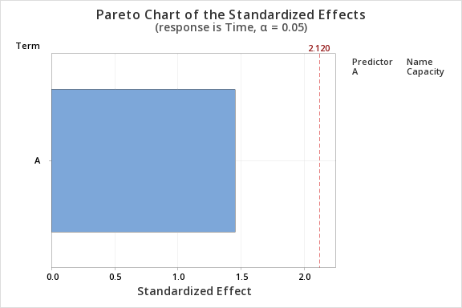
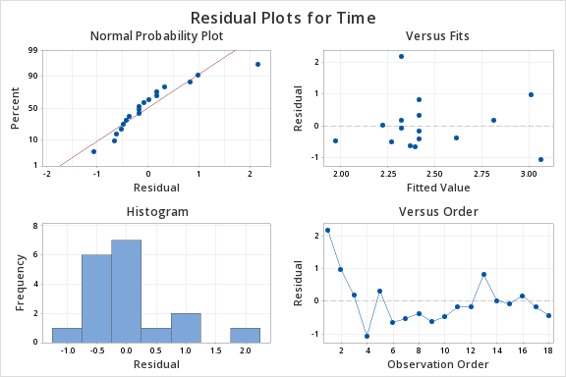
The data shows the digital mode talk time in hours and the battery capacity in milliampere-hours
of cellphones. |  |  |  |  |  |  |  |  |  |  |  |  | SUMMARY OUTPUT
Compute the coefficient of correlation
At the 0.05 level of significance, is there a significant relationship between the battery capacity and |  |  |  |  |  |  |  |  |  |  |  |  | Regression Statistics
the digital mode talk time? |  |  |  |  |  |  |  |  |  |  |  |  | Multiple R | 0.34091396386
What conclusions can you reach about the relationship between the battery capacity and |  |  |  |  |  |  |  |  |  |  |  |  | R Square | 0.11622233075
the digital mode talk time? (use formula, graphical and tools>data analysis) |  |  |  |  |  |  |  |  |  |  |  |  | Adjusted R Square | 0.060986226426
 |  |  |  |  |  |  |  |  |  |  |  |  | Standard Error | 0.76720905674
Talk | Battery |  |  |  |  |  |  | n | 18 |  |  |  | Observations | 18
Time | Capacity | Xi-Xbar | Yi-Ybar | (Xi-Xbar)*(Yi-Ybar) | (Xi-Xbar)^2 | (Yi-Ybar)^2 |  | xbar | 2.4583333333
4.5 | 800 | 2.0416666667 | -137.5 | -280.72916667 | 4.1684027778 | 18906.25 |  | ybar | 937.5 |  |  |  | ANOVA
4 | 1500 | 1.5416666667 | 562.5 | 867.1875 | 2.3767361111 | 316406.25 |  | CoV (X,Y) | 73.345588235 |  |  |  |  | df | SS | MS | F | Significance F
3 | 1300 | 0.54166666667 | 362.5 | 196.35416667 | 0.29340277778 | 131406.25 |  | VarX | 0.62683823529 |  |  |  | Regression | 1 | 1.2384942121 | 1.2384942121 | 2.10410079 | 0.1662264622
2 | 1550 | -0.45833333333 | 612.5 | -280.72916667 | 0.21006944444 | 375156.25 |  | VarY | 73841.911765 |  |  |  | Residual | 16 | 9.4177557879 | 0.58860973674
2.75 | 900 | 0.29166666667 | -37.5 | -10.9375 | 0.085069444444 | 1406.25 |  | coefficient of correlation | 0.34091396386 |  |  |  | Total | 17 | 10.65625
1.75 | 875 | -0.70833333333 | -62.5 | 44.270833333 | 0.50173611111 | 3906.25 |  | b1 | 117.00879765
1.75 | 750 | -0.70833333333 | -187.5 | 132.8125 | 0.50173611111 | 35156.25 |  | r square | 0.11622233075 |  |  |  |  | Coefficients | Standard Error | t Stat | P-value | Lower 95% | Upper 95% | Lower 95.0% | Upper 95.0%
2.25 | 1100 | -0.20833333333 | 162.5 | -33.854166667 | 0.043402777778 | 26406.25 |  | SSE | 1109417.1554 |  |  |  | Intercept | 1.5271346776 | 0.66694473119 | 2.2897469703 | 0.035962687059 | 0.11327500768 | 2.9409943476 | 0.11327500768 | 2.9409943476
1.75 | 850 | -0.70833333333 | -87.5 | 61.979166667 | 0.50173611111 | 7656.25 |  | SG | 263.32218329 |  |  |  | Capacity | 0.00099327856609 | 0.00068475907128 | 1.4505518915 | 0.1662264622 | -0.00045834581781 | 0.00244490295 | -0.00045834581781 | 0.00244490295
1.5 | 450 | -0.95833333333 | -487.5 | 467.1875 | 0.91840277778 | 237656.25 | Standard error of b1 |  | 80.665020215
2.25 | 900 | -0.20833333333 | -37.5 | 7.8125 | 0.043402777778 | 1406.25 | Null | H0: | beta1= | 0 | There is no linear relationship
2.25 | 900 | -0.20833333333 | -37.5 | 7.8125 | 0.043402777778 | 1406.25 | Alt | H1: | beta1not= | 0 | There is linear relationship
3.25 | 900 | 0.79166666667 | -37.5 | -29.6875 | 0.62673611111 | 1406.25
2.25 | 700 | -0.20833333333 | -237.5 | 49.479166667 | 0.043402777778 | 56406.25 |  | t actual | 1.4505518915 |  |  | 0.05
2.25 | 800 | -0.20833333333 | -137.5 | 28.645833333 | 0.043402777778 | 18906.25 |  | dof | 17
2.5 | 800 | 0.041666666667 | -137.5 | -5.7291666667 | 0.0017361111111 | 18906.25 |  | p value | 0.1662264622
2.25 | 900 | -0.20833333333 | -37.5 | 7.8125 | 0.043402777778 | 1406.25 |  | t critical | 2.1098155778 | -2.1098155778
2 | 900 | -0.45833333333 | -37.5 | 17.1875 | 0.21006944444 | 1406.25
2.4583333333 | 937.5 |  |  |  |  |  |  | We fail to reject the null hypothesis as the t actual lies between t critical in a two tail test
 |  |  |  |  |  |  |  | There is no linear relationship betwee talk time and battery capacity

 |  |  |  |  |  |  |  | HENCE we can conclude that it is not appropriate to use battery capacity to predict talk time hours
from minitab
 |  |  |  |  |  |  |  | SCATTERPLOT OF CAPACITY VS TIME |  |  |  |  | SCATTER PLOT OF FITS VS TIME
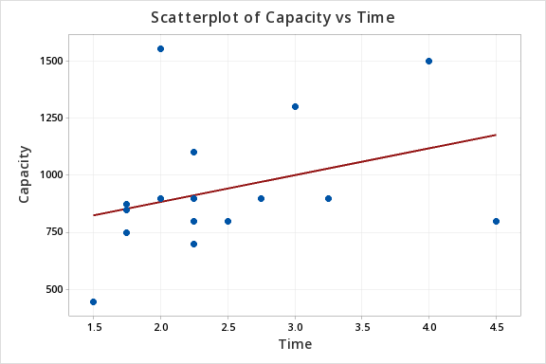
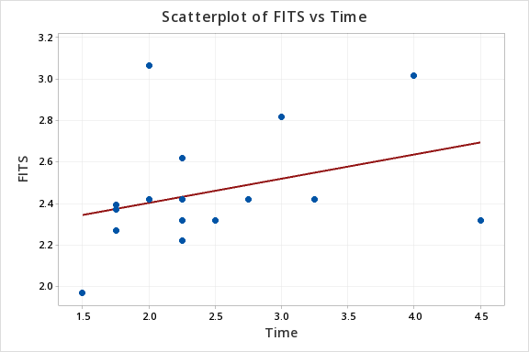
Regression Analysis: Time versus Capacity
Regression Equation
Time | = | 1.527 + 0.000993 Capacity
Coefficients
Term | Coef | SE Coef | T-Value | P-Value | VIF
Constant | 1.527 | 0.667 | 2.29 | 0.036
Capacity | 0.000993 | 0.000685 | 1.45 | 0.166 | 1
Model Summary
S | R-sq | R-sq(adj) | R-sq(pred)
0.767209 | 11.62% | 6.10% | 0.00%
Analysis of Variance
Source | DF | Adj SS | Adj MS | F-Value | P-Value
Regression | 1 | 1.238 | 1.2385 | 2.1 | 0.166
Capacity | 1 | 1.238 | 1.2385 | 2.1 | 0.166
Error | 16 | 9.418 | 0.5886
Lack-of-Fit | 9 | 5.324 | 0.5916 | 1.01 | 0.506
Pure Error | 7 | 4.094 | 0.5848
Total | 17 | 10.656
Fits and Diagnostics for Unusual Observations
Obs | Time | Fit | Resid | Std Resid
1 | 4.5 | 2.322 | 2.178 | 2.95 | R
4 | 2 | 3.067 | -1.067 | -1.73 |  | X
R Large residual
X Unusual X

Problem 8
 |  |  |  |  |  |  |  |  |  |  | Problem 8.
 |  |  |  |  |  |  |  |  |  |  | 1. Perform a multiple linear regression (MLR) with 3 independent variables
 |  |  |  |  |  |  |  |  |  |  | 2. Perform one MLR for urban and one MLR for suburban
 |  |  |  |  |  |  |  |  |  |  | 3. Perform CI and PI for urban and suburban with values of each independent variable =20
 |  |  |  |  |  |  |  |  |  |  | 4. Add all the independent variables and perform a simple linear regression (SLR)
 |  |  |  |  |  |  |  |  |  |  | 5. Perform one SLR for urban and one SLR for suburban
 |  |  |  |  |  |  |  |  |  |  | 6. Perform CI and PI for urban and suburban for independent variable =50

 |  |  |  |  |  |  |  |  |  |  |  |  |  | SUMMARY OUTPUT

Location | Food | Décor | Service | Price | combine | a) | Perform a multiple linear regression (MLR) with 3 independent variables |  |  |  |  |  |  | Regression Statistics
Urban | 19 | 21 | 18 | 50 | 58 |  | Using minitab |  |  |  |  |  |  | Multiple R | 0.67288014825
Urban | 18 | 17 | 17 | 38 | 52 |  |  |  |  |  |  |  |  | R Square | 0.45276769391
Urban | 19 | 16 | 19 | 43 | 54 |  | Regression Analysis: Price versus Décor, Food, Service |  |  |  |  |  |  | Adjusted R Square | 0.43566668434
Urban | 23 | 18 | 21 | 56 | 62 |  | Regression Equation |  |  |  |  |  |  | Standard Error | 6.9136596543
Urban | 23 | 20 | 21 | 51 | 64 |  | Price | = | -10.94 + 0.924 Décor + 0.018 Food + 1.670 Service |  |  |  |  | Observations | 100
Urban | 23 | 18 | 20 | 36 | 61 |  | Coefficients
Urban | 20 | 17 | 16 | 25 | 53 |  | Term | Coef | SE Coef | T-Value | P-Value | VIF |  | ANOVA
Urban | 20 | 15 | 17 | 33 | 52 |  | Constant | -10.94 | 6.12 | -1.79 | 0.077 |  |  |  | df | SS | MS | F | Significance F
Urban | 19 | 18 | 18 | 41 | 55 |  | Décor | 0.924 | 0.292 | 3.16 | 0.002 | 1.71 |  | Regression | 3 | 3796.5657777 | 1265.5219259 | 26.4760798 | 1.4517355293E-12
Urban | 21 | 19 | 19 | 44 | 59 |  | Food | 0.018 | 0.41 | 0.04 | 0.965 | 2.18 |  | Residual | 96 | 4588.6742223 | 47.798689816
Urban | 20 | 17 | 16 | 34 | 53 |  | Service | 1.67 | 0.522 | 3.2 | 0.002 | 3.12 |  | Total | 99 | 8385.24
Urban | 21 | 23 | 21 | 39 | 65 |  | Model Summary
Urban | 24 | 20 | 22 | 49 | 66 |  | S | R-sq | R-sq(adj) | R-sq(pred) |  |  |  |  | Coefficients | Standard Error | t Stat | P-value | Lower 95% | Upper 95% | Lower 95.0% | Upper 95.0%
Urban | 20 | 17 | 20 | 37 | 57 |  | 6.91366 | 45.28% | 43.57% | 40.85% |  |  |  | Intercept | -10.943547976 | 6.1231971946 | -1.7872277551 | 0.077056582458 | -23.097998344 | 1.2109023912 | -23.097998344 | 1.2109023912
Urban | 17 | 18 | 14 | 40 | 49 |  | Analysis of Variance |  |  |  |  |  |  | Food | 0.017934162014 | 0.41039304948 | 0.043699965281 | 0.96523433429 | -0.79668960276 | 0.83255792678 | -0.79668960276 | 0.83255792678
Urban | 21 | 17 | 20 | 50 | 58 |  | Source | DF | Adj SS | Adj MS | F-Value | P-Value |  | Décor | 0.92411706366 | 0.29245558538 | 3.1598543842 | 0.0021115890152 | 0.34359731486 | 1.5046368125 | 0.34359731486 | 1.5046368125
Urban | 21 | 19 | 21 | 50 | 61 |  | Regression | 3 | 3796.57 | 1265.52 | 26.48 | 0 |  | Service | 1.6697634208 | 0.52189732506 | 3.1994098085 | 0.001866572727 | 0.63380541835 | 2.7057214233 | 0.63380541835 | 2.7057214233
Urban | 20 | 16 | 19 | 35 | 55 |  | Décor | 1 | 477.25 | 477.25 | 9.98 | 0.002
Urban | 17 | 11 | 13 | 22 | 41 |  | Food | 1 | 0.09 | 0.09 | 0 | 0.965 |  | Y=b0+b1*x1^2+b2*x2^2+b3*x3^2
Urban | 21 | 16 | 20 | 45 | 57 |  | Service | 1 | 489.28 | 489.28 | 10.24 | 0.002 |  | Y=-10.435+0.179*x1+0.9241*x2+1.6697*x3
Urban | 23 | 20 | 23 | 44 | 66 |  | Error | 96 | 4588.67 | 47.8
Urban | 17 | 19 | 16 | 38 | 52 |  | Lack-of-Fit | 79 | 4165.84 | 52.73 | 2.12 | 0.041 |  | The sample regression line isY=-10.435+0.179*x1+0.9241*x2+1.6697*x3. The slope b1=0.179, there is an increase of 0.179 price for one increase in food, similarly b2=0.9241, there is an increase of 0.9241times price for 1 increase in decor, and b3= 1.66, hence there is an increase of 1.66 times in price with a single increase in service. Here the slope is linear and positive. So there is a positive linear relationship between x and y. The Y-intercept b0=10.435. The Y-intercept is the point where y-axis and regression line intersect. So for x=0 the price=10.435 i.e for every step Y is added with a value of 10.435
Urban | 22 | 14 | 15 | 14 | 51 |  | Pure Error | 17 | 422.83 | 24.87
Urban | 19 | 19 | 18 | 44 | 56 |  | Total | 99 | 8385.24
Urban | 21 | 19 | 20 | 51 | 60 |  | Fits and Diagnostics for Unusual Observations
Urban | 19 | 14 | 16 | 27 | 49 |  | Obs | Price | Fit | Resid | Std Resid
Urban | 19 | 17 | 19 | 44 | 55 |  | 4 | 56 | 41.17 | 14.83 | 2.17 | R
Urban | 21 | 13 | 21 | 39 | 55 |  | 23 | 14 | 27.44 | -13.44 | -2.06 | R
Urban | 24 | 21 | 21 | 50 | 66 |  | 40 | 63 | 41.19 | 21.81 | 3.21 | R
Urban | 19 | 16 | 19 | 35 | 54 |  | 43 | 53 | 38.7 | 14.3 | 2.08 | R
Urban | 17 | 15 | 15 | 31 | 47 |  | 77 | 32 | 36.05 | -4.05 | -0.64 |  | X
Urban | 19 | 16 | 19 | 34 | 54 |  | 97 | 33 | 46.68 | -13.68 | -2.04 | R
Urban | 22 | 19 | 21 | 48 | 62 |  | R Large residual
Urban | 22 | 18 | 20 | 48 | 60 |  | X Unusual X
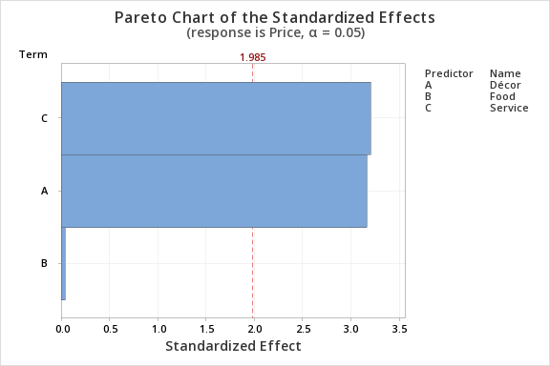
Urban | 14 | 15 | 15 | 30 | 44
Urban | 22 | 22 | 21 | 42 | 65
Urban | 20 | 15 | 18 | 26 | 53
Urban | 18 | 14 | 17 | 35 | 49
Urban | 18 | 20 | 16 | 32 | 54
Urban | 24 | 18 | 21 | 63 | 63
Urban | 21 | 17 | 18 | 36 | 56
Urban | 18 | 17 | 17 | 38 | 52
Urban | 20 | 19 | 19 | 53 | 58
Urban | 21 | 10 | 17 | 23 | 48
Urban | 19 | 14 | 19 | 39 | 52
Urban | 18 | 17 | 17 | 45 | 52
Urban | 20 | 16 | 17 | 37 | 53
Urban | 21 | 12 | 14 | 31 | 47
Urban | 19 | 17 | 19 | 39 | 55 | b) | Perform one MLR for urban and one MLR for suburban
Urban | 21 | 20 | 20 | 53 | 61
Suburban | 21 | 18 | 21 | 37 | 60 |  |  | URBAN |  |  |  |  |  |  | SUBURBAN |  |  |  |  |  | URBAN
Suburban | 17 | 14 | 17 | 37 | 48
Suburban | 17 | 17 | 18 | 29 | 52 |  | Regression Analysis: Price versus Service, Décor, Food |  |  |  |  |  |  | Regression Analysis: Price versus Service, Décor, Food |  |  |  |  |  |  | SUMMARY OUTPUT
Suburban | 23 | 19 | 18 | 38 | 60 |  | Regression Equation |  |  |  |  |  |  | Regression Equation
Suburban | 23 | 22 | 21 | 37 | 66 |  | Price | = | -17.51 + 2.297 Service + 1.288 Décor - 0.351 Food |  |  |  |  | Price | = | -13.00 + 1.379 Service + 0.793 Décor + 0.316 Food |  |  |  |  | Regression Statistics
Suburban | 21 | 18 | 19 | 38 | 58 |  | Coefficients |  |  |  |  |  |  | Coefficients |  |  |  |  |  |  | Multiple R | 0.76130434648
Suburban | 21 | 19 | 23 | 39 | 63 |  | Term | Coef | SE Coef | T-Value | P-Value | VIF |  | Term | Coef | SE Coef | T-Value | P-Value | VIF |  | R Square | 0.57958430796
Suburban | 21 | 18 | 18 | 29 | 57 |  | Constant | -17.51 | 9.46 | -1.85 | 0.071 |  |  | Constant | -13 | 5.67 | -2.29 | 0.026 |  |  | Adjusted R Square | 0.55216589326
Suburban | 22 | 18 | 20 | 36 | 60 |  | Service | 2.297 | 0.647 | 3.55 | 0.001 | 2.63 |  | Service | 1.379 | 0.574 | 2.4 | 0.02 | 3.96 |  | Standard Error | 6.4596713671
Suburban | 22 | 20 | 20 | 38 | 62 |  | Décor | 1.288 | 0.414 | 3.11 | 0.003 | 1.46 |  | Décor | 0.793 | 0.282 | 2.81 | 0.007 | 2.07 |  | Observations | 50
Suburban | 23 | 20 | 22 | 44 | 65 |  | Food | -0.351 | 0.634 | -0.55 | 0.583 | 2.05 |  | Food | 0.316 | 0.373 | 0.85 | 0.4 | 2.43
Suburban | 23 | 18 | 20 | 27 | 61 |  | Model Summary |  |  |  |  |  |  | Model Summary |  |  |  |  |  |  | ANOVA
Suburban | 21 | 14 | 19 | 24 | 54 |  | S | R-sq | R-sq(adj) | R-sq(pred) |  |  |  | S | R-sq | R-sq(adj) | R-sq(pred) |  |  |  |  | df | SS | MS | F | Significance F
Suburban | 17 | 17 | 17 | 34 | 51 |  | 6.45967 | 57.96% | 55.22% | 47.61% |  |  |  | 4.78906 | 63.86% | 61.51% | 57.51% |  |  |  | Regression | 3 | 2646.1617081 | 882.05390271 | 21.138505429 | 9.3949859878E-09
Suburban | 23 | 23 | 22 | 44 | 68 |  | Analysis of Variance |  |  |  |  |  |  | Analysis of Variance |  |  |  |  |  |  | Residual | 46 | 1919.4582919 | 41.727354171
Suburban | 15 | 17 | 15 | 23 | 47 |  | Source | DF | Adj SS | Adj MS | F-Value | P-Value |  | Source | DF | Adj SS | Adj MS | F-Value | P-Value |  | Total | 49 | 4565.62
Suburban | 19 | 14 | 17 | 30 | 50 |  | Regression | 3 | 2646.16 | 882.05 | 21.14 | 0 |  | Regression | 3 | 1864.6 | 621.535 | 27.1 | 0
Suburban | 20 | 19 | 18 | 32 | 57 |  | Service | 1 | 525.39 | 525.39 | 12.59 | 0.001 |  | Service | 1 | 132.55 | 132.553 | 5.78 | 0.02 |  |  | Coefficients | Standard Error | t Stat | P-value | Lower 95% | Upper 95% | Lower 95.0% | Upper 95.0%
Suburban | 20 | 15 | 17 | 25 | 52 |  | Décor | 1 | 402.73 | 402.73 | 9.65 | 0.003 |  | Décor | 1 | 181.01 | 181.006 | 7.89 | 0.007 |  | Intercept | -17.513865711 | 9.4587824412 | -1.8515983236 | 0.070508660339 | -36.553407258 | 1.525675836 | -36.553407258 | 1.525675836
Suburban | 20 | 12 | 18 | 29 | 50 |  | Food | 1 | 12.75 | 12.75 | 0.31 | 0.583 |  | Food | 1 | 16.53 | 16.531 | 0.72 | 0.4 |  | Food | -0.35070597565 | 0.63438209428 | -0.55283082358 | 0.58305598746 | -1.6276509013 | 0.92623894996 | -1.6276509013 | 0.92623894996
Suburban | 23 | 19 | 20 | 43 | 62 |  | Error | 46 | 1919.46 | 41.73 |  |  |  | Error | 46 | 1055.02 | 22.935 |  |  |  | Décor | 1.2875280725 | 0.41443810973 | 3.106683585 | 0.0032379364914 | 0.45330742539 | 2.1217487196 | 0.45330742539 | 2.1217487196
Suburban | 19 | 21 | 19 | 31 | 59 |  | Lack-of-Fit | 40 | 1785.12 | 44.63 | 1.99 | 0.197 |  | Lack-of-Fit | 42 | 1049.52 | 24.988 | 18.17 | 0.006 |  | Service | 2.2967703924 | 0.64727056422 | 3.5483930823 | 0.00090551751678 | 0.99388232239 | 3.5996584624 | 0.99388232239 | 3.5996584624
Suburban | 15 | 13 | 15 | 26 | 43 |  | Pure Error | 6 | 134.33 | 22.39 |  |  |  | Pure Error | 4 | 5.5 | 1.375
Suburban | 20 | 17 | 22 | 34 | 59 |  | Total | 49 | 4565.62 |  |  |  |  | Total | 49 | 2919.62
Suburban | 21 | 17 | 18 | 23 | 56 |  | Fits and Diagnostics for Unusual Observations |  |  |  |  |  |  | Fits and Diagnostics for Unusual Observations |  |  |  |  |  |  | SUBURBAN
Suburban | 23 | 20 | 21 | 41 | 64 |  | Obs | Price | Fit | Resid | Std Resid |  |  | Obs | Price | Fit | Resid | Std Resid
Suburban | 27 | 16 | 19 | 32 | 62 |  | 12 | 39 | 52.97 | -13.97 | -2.3 | R |  | 2 | 37 | 26.92 | 10.08 | 2.18 | R |  | SUMMARY OUTPUT
Suburban | 17 | 17 | 16 | 30 | 50 |  | 23 | 14 | 27.25 | -13.25 | -2.33 | R |  | 27 | 32 | 34.43 | -2.43 | -0.59 |  | X
Suburban | 22 | 11 | 17 | 28 | 50 |  | 40 | 63 | 45.48 | 17.52 | 2.85 | R |  | 36 | 55 | 44.5 | 10.5 | 2.37 | R |  | Regression Statistics
Suburban | 20 | 16 | 19 | 33 | 55 |  | R Large residual |  |  |  |  |  |  | R Large residual |  |  |  |  |  |  | Multiple R | 0.79915332671
Suburban | 20 | 12 | 16 | 26 | 48 |  |  |  |  |  |  |  |  | X Unusual X |  |  |  |  |  |  | R Square | 0.63864603958
Suburban | 25 | 25 | 24 | 51 | 74 |  |  |  |  |  |  |  |  |  |  |  |  |  |  |  | Adjusted R Square | 0.61507947695
Suburban | 17 | 17 | 18 | 26 | 52 | C) | Perform CI and PI for urban and suburban with values of each independent variable =20 |  |  |  |  |  |  |  |  |  |  |  |  |  | Standard Error | 4.7890641954
Suburban | 25 | 22 | 23 | 48 | 70 |  |  |  |  |  |  |  |  |  |  |  |  |  |  |  | Observations | 50
Suburban | 19 | 18 | 19 | 39 | 56 |  |  | URBAN |  |  |  |  |  |  | SUBURBAN
Suburban | 27 | 20 | 24 | 55 | 71 |  |  |  |  |  |  |  |  |  |  |  |  |  |  |  | ANOVA
Suburban | 21 | 11 | 17 | 24 | 49 |  | Prediction for Price |  |  |  |  |  |  | Prediction for Price |  |  |  |  |  |  |  | df | SS | MS | F | Significance F
Suburban | 19 | 18 | 19 | 38 | 56 |  | Regression Equation |  |  |  |  |  |  | Regression Equation |  |  |  |  |  |  | Regression | 3 | 1864.6037501 | 621.53458336 | 27.09966869 | 3.0228582273E-10
Suburban | 20 | 21 | 20 | 31 | 61 |  | Price | = | -17.51 + 2.297 Service + 1.288 Décor - 0.351 Food |  |  |  |  | Price | = | -13.00 + 1.379 Service + 0.793 Décor + 0.316 Food |  |  |  |  | Residual | 46 | 1055.0162499 | 22.935135868
Suburban | 23 | 19 | 21 | 30 | 63 |  | Settings |  |  |  |  |  |  | Settings |  |  |  |  |  |  | Total | 49 | 2919.62
Suburban | 24 | 27 | 23 | 51 | 74 |  | Variable | Setting |  |  |  |  |  | Variable | Setting
Suburban | 18 | 18 | 20 | 30 | 56 |  | Service | 20 |  |  |  |  |  | Service | 20 |  |  |  |  |  |  | Coefficients | Standard Error | t Stat | P-value | Lower 95% | Upper 95% | Lower 95.0% | Upper 95.0%
Suburban | 15 | 16 | 14 | 27 | 45 |  | Décor | 20 |  |  |  |  |  | Décor | 20 |  |  |  |  |  | Intercept | -13.002177366 | 5.668767516 | -2.2936515441 | 0.026428197446 | -24.41281455 | -1.5915401819 | -24.41281455 | -1.5915401819
Suburban | 16 | 20 | 17 | 38 | 53 |  | Food | 20 |  |  |  |  |  | Food | 20 |  |  |  |  |  | Food | 0.31647941143 | 0.37277257965 | 0.84898790498 | 0.40028475573 | -0.43387287354 | 1.0668316964 | -0.43387287354 | 1.0668316964
Suburban | 18 | 16 | 17 | 26 | 51 |  | Prediction |  |  |  |  |  |  | Prediction |  |  |  |  |  |  | Décor | 0.79288482617 | 0.28223750554 | 2.809282291 | 0.0072658838288 | 0.22477019342 | 1.3609994589 | 0.22477019342 | 1.3609994589
Suburban | 20 | 12 | 18 | 28 | 50 |  | Fit | SE Fit | 95% CI | 95% PI |  |  |  | Fit | SE Fit | 95% CI | 95% PI |  |  |  | Service | 1.3789496808 | 0.57359373485 | 2.4040528984 | 0.020299645709 | 0.22436537631 | 2.5335339852 | 0.22436537631 | 2.5335339852
Suburban | 21 | 24 | 21 | 33 | 66 |  | 47.158 | 1.49176 | (44.1552, 50.1607) | (33.8131, 60.5028) |  |  |  | 36.7641 | 0.923221 | (34.9058, 38.6224) | (26.9467, 46.5815)
Suburban | 21 | 18 | 19 | 38 | 58
Suburban | 23 | 15 | 20 | 32 | 58 | D) | Add all the independent variables and perform a simple linear regression (SLR) |  |  |  |  |  |  | SUMMARY OUTPUT
Suburban | 19 | 14 | 16 | 25 | 49
 |  |  |  |  |  |  | Regression Analysis: Price versus combine |  |  |  |  |  |  | Regression Statistics
 |  |  |  |  |  |  | Regression Equation |  |  |  |  |  |  | Multiple R | 0.65161118016
 |  |  |  |  |  |  | Price | = | -13.66 + 0.893 combine |  |  |  |  | R Square | 0.42459713011
 |  |  |  |  |  |  | Coefficients |  |  |  |  |  |  | Adjusted R Square | 0.41872567225
 |  |  |  |  |  |  | Term | Coef | SE Coef | T-Value | P-Value | VIF |  | Standard Error | 7.0166646829
 |  |  |  |  |  |  | Constant | -13.66 | 5.97 | -2.29 | 0.024 |  |  | Observations | 100
 |  |  |  |  |  |  | combine | 0.893 | 0.105 | 8.5 | 0 | 1
 |  |  |  |  |  |  | Model Summary |  |  |  |  |  |  | ANOVA
 |  |  |  |  |  |  | S | R-sq | R-sq(adj) | R-sq(pred) |  |  |  |  | df | SS | MS | F | Significance F
 |  |  |  |  |  |  | 7.01666 | 42.46% | 41.87% | 40.51% |  |  |  | Regression | 1 | 3560.3488393 | 3560.3488393 | 72.31545223 | 2.1093934607E-13
 |  |  |  |  |  |  | Analysis of Variance |  |  |  |  |  |  | Residual | 98 | 4824.8911607 | 49.233583273
 |  |  |  |  |  |  | Source | DF | Adj SS | Adj MS | F-Value | P-Value |  | Total | 99 | 8385.24
 |  |  |  |  |  |  | Regression | 1 | 3560.3 | 3560.35 | 72.32 | 0
 |  |  |  |  |  |  | combine | 1 | 3560.3 | 3560.35 | 72.32 | 0 |  |  | Coefficients | Standard Error | t Stat | P-value | Lower 95% | Upper 95% | Lower 95.0% | Upper 95.0%
 |  |  |  |  |  |  | Error | 98 | 4824.9 | 49.23 |  |  |  | Intercept | -13.656114702 | 5.9676647884 | -2.2883515053 | 0.02426499544 | -25.498751254 | -1.8134781497 | -25.498751254 | -1.8134781497
 |  |  |  |  |  |  | Lack-of-Fit | 26 | 680 | 26.15 | 0.45 | 0.987 |  | combine | 0.89323138429 | 0.10503847811 | 8.5038492596 | 2.1093934607E-13 | 0.68478594301 | 1.1016768256 | 0.68478594301 | 1.1016768256
 |  |  |  |  |  |  | Pure Error | 72 | 4144.9 | 57.57
 |  |  |  |  |  |  | Total | 99 | 8385.2 |  |  |  |  | Y=b0+b1*x
 |  |  |  |  |  |  | Fits and Diagnostics for Unusual Observations |  |  |  |  |  |  | Y=-13.6561+0.8932*x1
 |  |  |  |  |  |  | Obs | Price | Fit | Resid | Std Resid
 |  |  |  |  |  |  | 4 | 56 | 41.72 | 14.28 | 2.05 | R |  |  | The sample regression line isY=-13.6561+0.8932*x1. The slope b1=0.8932, there is an increase of 0.8932 price for one increase in combination of variables. Here the slope is linear and positive. So there is a positive linear relationship between x and y. The Y-intercept b0=13.6561. The Y-intercept is the point where y-axis and regression line intersect. So for x=0 the price=13.6561 i.e for every step Y is added with a value of 13.6561
 |  |  |  |  |  |  | 19 | 22 | 22.97 | -0.97 | -0.14 |  | X
 |  |  |  |  |  |  | 23 | 14 | 31.9 | -17.9 | -2.57 | R
 |  |  |  |  |  |  | 40 | 63 | 42.62 | 20.38 | 2.93 | R
 |  |  |  |  |  |  | 43 | 53 | 38.15 | 14.85 | 2.13 | R
 |  |  |  |  |  |  | 82 | 51 | 52.44 | -1.44 | -0.21 |  | X
 |  |  |  |  |  |  | 91 | 51 | 52.44 | -1.44 | -0.21 |  | X
 |  |  |  |  |  |  | R Large residual
 |  |  |  |  |  |  | X Unusual X
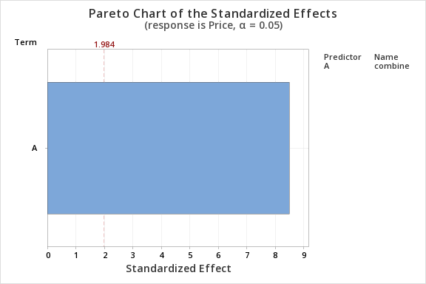

 |  |  |  |  |  | e) | Perform one SLR for urban and one SLR for suburban

 |  |  |  |  |  |  |  |  | URBAN |  |  |  |  |  |  |  | SUBURBAN |  |  |  | URBAN
 |  |  |  |  |  |  |  |  |  |  |  |  |  |  |  |  |  |  |  |  | SUMMARY OUTPUT
 |  |  |  |  |  |  | Regression Analysis: Price versus combine |  |  |  |  |  |  | Regression Analysis: Price versus combine
 |  |  |  |  |  |  | Regression Equation |  |  |  |  |  |  | Regression Equation |  |  |  |  |  |  | Regression Statistics
 |  |  |  |  |  |  | Price | = | -26.29 + 1.187 combine |  |  |  |  | Price | = | -13.16 + 0.8196 combine |  |  |  |  | Multiple R | 0.72223570473
 |  |  |  |  |  |  | Coefficients |  |  |  |  |  |  | Coefficients |  |  |  |  |  |  | R Square | 0.52162441319
 |  |  |  |  |  |  | Term | Coef | SE Coef | T-Value | P-Value | VIF |  | Term | Coef | SE Coef | T-Value | P-Value | VIF |  | Adjusted R Square | 0.51165825513
 |  |  |  |  |  |  | Constant | -26.29 | 9.18 | -2.86 | 0.006 |  |  | Constant | -13.16 | 5.31 | -2.48 | 0.017 |  |  | Standard Error | 6.7454940928
 |  |  |  |  |  |  | combine | 1.187 | 0.164 | 7.23 | 0 | 1 |  | combine | 0.8196 | 0.092 | 8.91 | 0 | 1 |  | Observations | 50
 |  |  |  |  |  |  | Model Summary |  |  |  |  |  |  | Model Summary
 |  |  |  |  |  |  | S | R-sq | R-sq(adj) | R-sq(pred) |  |  |  | S | R-sq | R-sq(adj) | R-sq(pred) |  |  |  | ANOVA
 |  |  |  |  |  |  | 6.74549 | 52.16% | 51.17% | 48.08% |  |  |  | 4.78778 | 62.31% | 61.53% | 58.95% |  |  |  |  | df | SS | MS | F | Significance F
 |  |  |  |  |  |  | Analysis of Variance |  |  |  |  |  |  | Analysis of Variance |  |  |  |  |  |  | Regression | 1 | 2381.5388533 | 2381.5388533 | 52.33956858 | 3.2150784238E-09
 |  |  |  |  |  |  | Source | DF | Adj SS | Adj MS | F-Value | P-Value |  | Source | DF | Adj SS | Adj MS | F-Value | P-Value |  | Residual | 48 | 2184.0811467 | 45.501690555
 |  |  |  |  |  |  | Regression | 1 | 2381.5 | 2381.54 | 52.34 | 0 |  | Regression | 1 | 1819.3 | 1819.32 | 79.37 | 0 |  | Total | 49 | 4565.62
 |  |  |  |  |  |  | combine | 1 | 2381.5 | 2381.54 | 52.34 | 0 |  | combine | 1 | 1819.3 | 1819.32 | 79.37 | 0
 |  |  |  |  |  |  | Error | 48 | 2184.1 | 45.5 |  |  |  | Error | 48 | 1100.3 | 22.92 |  |  |  |  | Coefficients | Standard Error | t Stat | P-value | Lower 95% | Upper 95% | Lower 95.0% | Upper 95.0%
 |  |  |  |  |  |  | Lack-of-Fit | 19 | 1510 | 79.48 | 3.42 | 0.001 |  | Lack-of-Fit | 24 | 673.5 | 28.06 | 1.58 | 0.135 |  | Intercept | -26.290523027 | 9.17675233 | -2.8649049338 | 0.0061718121843 | -44.741620223 | -7.8394258298 | -44.741620223 | -7.8394258298
 |  |  |  |  |  |  | Pure Error | 29 | 674 | 23.24 |  |  |  | Pure Error | 24 | 426.8 | 17.78 |  |  |  | combine | 1.1871722946 | 0.16409626022 | 7.2346090828 | 3.2150784238E-09 | 0.85723465023 | 1.517109939 | 0.85723465023 | 1.517109939
 |  |  |  |  |  |  | Total | 49 | 4565.6 |  |  |  |  | Total | 49 | 2919.6
 |  |  |  |  |  |  | Fits and Diagnostics for Unusual Observations |  |  |  |  |  |  | Fits and Diagnostics for Unusual Observations |  |  |  |  |  |  | SUBURBAN
 |  |  |  |  |  |  | Obs | Price | Fit | Resid | Std Resid |  |  | Obs | Price | Fit | Resid | Std Resid
 |  |  |  |  |  |  | 19 | 22 | 22.38 | -0.38 | -0.06 |  | X | 2 | 37 | 26.18 | 10.82 | 2.32 | R |  | SUMMARY OUTPUT
 |  |  |  |  |  |  | 23 | 14 | 34.26 | -20.26 | -3.05 | R |  | 12 | 27 | 36.84 | -9.84 | -2.08 | R
 |  |  |  |  |  |  | 40 | 63 | 48.5 | 14.5 | 2.21 | R |  | 25 | 23 | 32.74 | -9.74 | -2.06 | R |  | Regression Statistics
 |  |  |  |  |  |  | R Large residual |  |  |  |  |  |  | 32 | 51 | 47.49 | 3.51 | 0.78 |  | X | Multiple R | 0.78938993917
 |  |  |  |  |  |  | X Unusual X |  |  |  |  |  |  | 36 | 55 | 45.03 | 9.97 | 2.18 | R |  | R Square | 0.62313647606
 |  |  |  |  |  |  |  |  |  |  |  |  |  | 41 | 51 | 47.49 | 3.51 | 0.78 |  | X | Adjusted R Square | 0.61528515265
 |  |  |  |  |  |  |  |  |  |  |  |  |  | R Large residual |  |  |  |  |  |  | Standard Error | 4.7877845471
 |  |  |  |  |  |  |  |  |  |  |  |  |  | X Unusual X |  |  |  |  |  |  | Observations | 50
 |  |  |  |  |  | f) | Perform CI and PI for urban and suburban for combination of independent variable =50
 |  |  |  |  |  |  |  |  |  |  |  |  |  |  |  |  |  |  |  |  | ANOVA
 |  |  |  |  |  |  |  | URBAN |  |  |  |  |  |  |  | SUBURBAN |  |  |  |  |  | df | SS | MS | F | Significance F
 |  |  |  |  |  |  | Prediction for Price |  |  |  |  |  |  | Prediction for Price |  |  |  |  |  |  | Regression | 1 | 1819.3217182 | 1819.3217182 | 79.367062481 | 9.6621836077E-12
 |  |  |  |  |  |  | Regression Equation |  |  |  |  |  |  | Regression Equation |  |  |  |  |  |  | Residual | 48 | 1100.2982818 | 22.92288087
 |  |  |  |  |  |  | Price | = | -26.29 + 1.187 combine |  |  |  |  | Price | = | -13.16 + 0.8196 combine |  |  |  |  | Total | 49 | 2919.62
 |  |  |  |  |  |  | Settings |  |  |  |  |  |  | Settings
 |  |  |  |  |  |  | Variable | Setting |  |  |  |  |  | Variable | Setting |  |  |  |  |  |  | Coefficients | Standard Error | t Stat | P-value | Lower 95% | Upper 95% | Lower 95.0% | Upper 95.0%
 |  |  |  |  |  |  | combine | 50 |  |  |  |  |  | combine | 50 |  |  |  |  |  | Intercept | -13.155564909 | 5.3073166236 | -2.4787601422 | 0.016750446248 | -23.826640182 | -2.4844896353 | -23.826640182 | -2.4844896353
 |  |  |  |  |  |  | Prediction |  |  |  |  |  |  | Prediction |  |  |  |  |  |  | X Variable 1 | 0.81956597184 | 0.091994902831 | 8.9088193651 | 9.6621836077E-12 | 0.63459782268 | 1.004534121 | 0.63459782268 | 1.004534121
 |  |  |  |  |  |  | Fit | SE Fit | 95% CI | 95% PI |  |  |  | Fit | SE Fit | 95% CI | 95% PI
 |  |  |  |  |  |  | 33.0681 | 1.32685 | (30.4003, 35.7359) | (19.2455, 46.8907) |  |  |  | 27.8227 | 0.948485 | (25.9157, 29.7298) | (18.0092, 37.6363)

Problem 9
Brand | Tar | Nicotine | CO | a) | Let us consider x denotes the level of tar, and y denotes the level of nicotine |  |  |  |  |  |  |  | a) | Using data analysis
Alpine | 14.1 | 0.86 | 13.6 |  | Regression Analysis: Nicotine versus Tar |  |  |  |  |  |  |  |  | SUMMARY OUTPUT
Benson&Hedges | 16 | 1.06 | 16.6 |  | Regression Equation
BullDurham | 29.8 | 2.03 | 23.5 |  | Nicotine | = | 0.1309 + 0.06103 Tar |  |  |  |  |  |  | Regression Statistics
CamelLights | 8 | 0.67 | 10.2 |  | Coefficients |  |  |  |  |  |  |  |  | Multiple R | 0.97660763447
Carlton | 4.1 | 0.4 | 5.4 |  | Term | Coef | SE Coef | T-Value | P-Value | VIF |  |  |  | R Square | 0.9537624717
Chesterfield | 15 | 1.04 | 15 |  | Constant | 0.1309 | 0.0376 | 3.48 | 0.002 |  |  |  |  | Adjusted R Square | 0.95175214439
GoldenLights | 8.8 | 0.76 | 9 |  | Tar | 0.06103 | 0.0028 | 21.78 | 0 | 1 |  |  |  | Standard Error | 0.077770319009
Kent | 12.4 | 0.95 | 12.3 |  | Model Summary |  |  |  |  |  |  |  |  | Observations | 25
Kool | 16.6 | 1.12 | 16.3 |  | S | R-sq | R-sq(adj) | R-sq(pred)
L&M | 14.9 | 1.02 | 15.4 |  | 0.0777703 | 95.38% | 95.18% | 94.36% |  |  |  |  |  | ANOVA
LarkLights | 13.7 | 1.01 | 13 |  | Analysis of Variance |  |  |  |  |  |  |  |  |  | df | SS | MS | F | Significance F
Marlboro | 15.1 | 0.9 | 14.4 |  | Source | DF | Adj SS | Adj MS | F-Value | P-Value |  |  |  | Regression | 1 | 2.8694668821 | 2.8694668821 | 474.43143389 | 7.4685528479E-17
Merit | 7.8 | 0.57 | 10 |  | Regression | 1 | 2.8695 | 2.86947 | 474.43 | 0 |  |  |  | Residual | 23 | 0.13910911793 | 0.0060482225187
MultiFilter | 11.4 | 0.78 | 10.2 |  | Tar | 1 | 2.8695 | 2.86947 | 474.43 | 0 |  |  |  | Total | 24 | 3.008576
NewportLights | 9 | 0.74 | 9.5 |  | Error | 23 | 0.1391 | 0.00605
Now | 1 | 0.13 | 1.5 |  | Total | 24 | 3.0086 |  |  |  |  |  |  |  | Coefficients | Standard Error | t Stat | P-value | Lower 95% | Upper 95% | Lower 95.0% | Upper 95.0%
OldGold | 17 | 1.26 | 18.5 |  | Fits and Diagnostics for Unusual Observations |  |  |  |  |  |  |  |  | Intercept | 0.13087532008 | 0.037595894629 | 3.4811066839 | 0.0020188763562 | 0.053102286535 | 0.20864835362 | 0.053102286535 | 0.20864835362
PallMallLight | 12.8 | 1.08 | 12.6 |  | Obs | Nicotine | Fit | Resid | Std Resid |  |  |  |  | Tar | 0.061028542888 | 0.0028018589792 | 21.781447011 | 7.4685528479E-17 | 0.055232455987 | 0.066824629789 | 0.055232455987 | 0.066824629789
Raleigh | 15.8 | 0.96 | 17.5 |  | 3 | 2.03 | 1.9495 | 0.0805 | 1.38 |  | X
SalemUltra | 4.5 | 0.42 | 4.9 |  | 12 | 0.9 | 1.0524 | -0.1524 | -2.01 | R
Tareyton | 14.5 | 1.01 | 15.9 |  | 18 | 1.08 | 0.912 | 0.168 | 2.2 | R
Trues | 7.3 | 0.61 | 8.5 |  | R Large residual
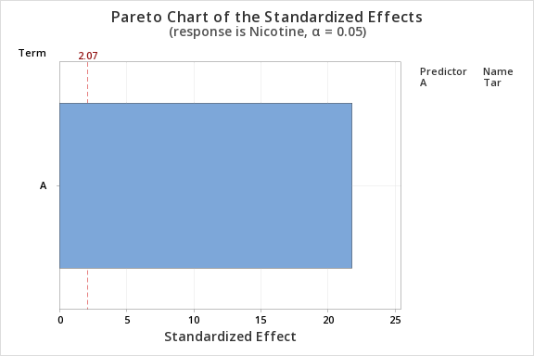
ViceroyRichLight | 8.6 | 0.69 | 10.6 |  | X Unusual X
VirginiaSlims | 15.2 | 1.02 | 13.9
WinstonLights | 12 | 0.82 | 14.9

 |  |  |  |  | Null | h0 | beta1=0 | No linear relationship between nictotine and Tar
 |  |  |  |  | Alternate | h1 | beta1!=0 | Linear relationship between nictotine and Tar
 |  |  |  |  | t=(b1-beta1)/sb1 |  |  |  |  |  |  | b1 = regression slope
 |  |  |  |  |  |  |  |  |  |  |  | coefficient
 |  |  |  | t stat | 21.781447011 |  |  |  |  |  |  | beta1 = hypothesized slope
 |  |  |  | p value | 7.4685528479E-17 |  |  |  |  |  |  | Sb1 = standard
 |  |  |  |  | Since p value is smaller than alpha we reject the null hypothesis |  |  |  |  |  |  | error of the slope
 |  |  |  |  | Therefore there is linear relationship between nicotine and tar

 |  |  | b) |  | Let us consider x denotes CO, and y denotes the level of nicotine |  |  |  |  |  |  |  |  | USING DATA ANALYSIS
 |  |  |  |  | Regression Analysis: Nicotine versus CO |  |  |  |  |  |  |  |  | SUMMARY OUTPUT
 |  |  |  |  | Regression Equation
 |  |  |  |  | Nicotine | = | 0.0099 + 0.06917 CO |  |  |  |  |  |  | Regression Statistics
 |  |  |  |  | Coefficients |  |  |  |  |  |  |  |  | Multiple R | 0.92594730516
 |  |  |  |  | Term | Coef | SE Coef | T-Value | P-Value | VIF |  |  |  | R Square | 0.85737841193
 |  |  |  |  | Constant | 0.0099 | 0.0786 | 0.13 | 0.901 |  |  |  |  | Adjusted R Square | 0.85117747332
 |  |  |  |  | CO | 0.06917 | 0.00588 | 11.76 | 0 | 1 |  |  |  | Standard Error | 0.13658695064
 |  |  |  |  | Model Summary |  |  |  |  |  |  |  |  | Observations | 25
 |  |  |  |  | S | R-sq | R-sq(adj) | R-sq(pred)
 |  |  |  |  | 0.136587 | 85.74% | 85.12% | 80.14% |  |  |  |  |  | ANOVA
 |  |  |  |  | Analysis of Variance |  |  |  |  |  |  |  |  |  | df | SS | MS | F | Significance F
 |  |  |  |  | Source | DF | Adj SS | Adj MS | F-Value | P-Value |  |  |  | Regression | 1 | 2.5794881131 | 2.5794881131 | 138.2659087 | 3.3117247804E-11
 |  |  |  |  | Regression | 1 | 2.57949 | 2.57949 | 138.27 | 0 |  |  |  | Residual | 23 | 0.42908788694 | 0.018655995084
 |  |  |  |  | CO | 1 | 2.57949 | 2.57949 | 138.27 | 0 |  |  |  | Total | 24 | 3.008576
 |  |  |  |  | Error | 23 | 0.42909 | 0.01866
 |  |  |  |  | Lack-of-Fit | 22 | 0.42304 | 0.01923 | 3.18 | 0.419 |  |  |  |  | Coefficients | Standard Error | t Stat | P-value | Lower 95% | Upper 95% | Lower 95.0% | Upper 95.0%
 |  |  |  |  | Pure Error | 1 | 0.00605 | 0.00605 |  |  |  |  |  | Intercept | 0.0098501642584 | 0.07859479583 | 0.12532845406 | 0.90135256088 | -0.15273555828 | 0.17243588679 | -0.15273555828 | 0.17243588679
 |  |  |  |  | Total | 24 | 3.00858 |  |  |  |  |  |  | CO | 0.069169048191 | 0.0058823958077 | 11.758652504 | 3.3117247804E-11 | 0.057000385336 | 0.081337711046 | 0.057000385336 | 0.081337711046
 |  |  |  |  | Fits and Diagnostics for Unusual Observations
 |  |  |  |  | Obs | Nicotine | Fit | Resid | Std Resid
 |  |  |  |  | 3 | 2.03 | 1.6353 | 0.3947 | 3.37 | R | X
 |  |  |  |  | 16 | 0.13 | 0.1136 | 0.0164 | 0.14 |  | X
 |  |  |  |  | R Large residual
 |  |  |  |  | X Unusual X


 |  |  |  |  | Null | h0 | beta1=0 | No linear relationship between nictotine and CO
 |  |  |  |  | Alternate | h1 | beta1!=0 | Linear relationship between nictotine and CO
 |  |  |  |  | t=(b1-beta1)/sb1 |  |  |  |  |  |  | b1 = regression slope
 |  |  |  |  |  |  |  |  |  |  |  | coefficient
 |  |  |  | t stat | 11.758652504 |  |  |  |  |  |  | beta1 = hypothesized slope
 |  |  |  | p value | 3.3117247804E-11 |  |  |  |  |  |  | Sb1 = standard
 |  |  |  |  | Since p value is smaller than alpha we reject the null hypothesis |  |  |  |  |  |  | error of the slope
 |  |  |  |  | Therefore there is linear relationship between nicotine and CO

Problem 11
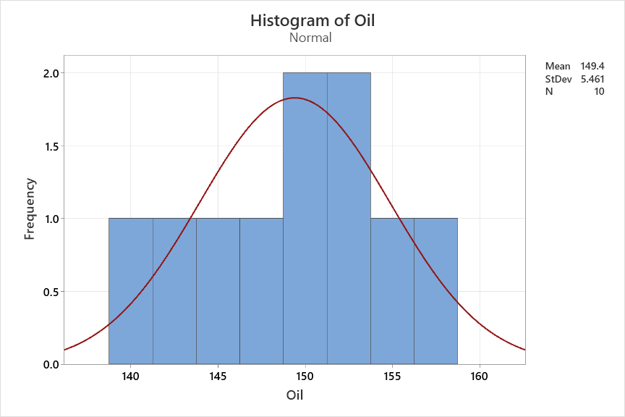
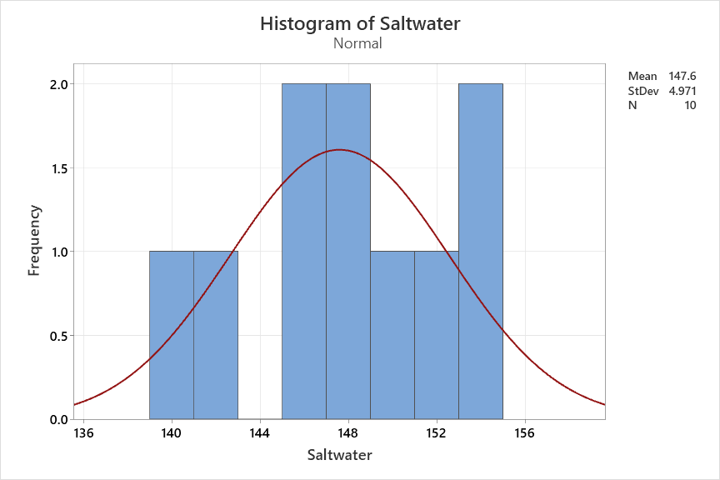
Two different hardening processes a. Saltwater Quenching and b. Oil Quenching are used on samples of a particular type of metal alloy. The results are
shown in the table below. Assume the data is normally distributed.
a. Test the hypothesis that the mean hardness of the saltwater quenching process equals the mean hardness for the oil quenching
process. Write the Null and Alternate hypotheses and Use alpha = 0.05
b. What is the 95% Conficence inteval on the difference in the mean hardness.
c. Does the normality assumption valid?

Saltwater | Oil |  | To check if the variances are equal or unequal we run f test |  |  |  |  |  | t-Test: Two-Sample Assuming Equal Variances
145 | 152 |  | Null: s1^2/s2^2=1
150 | 150 |  | Alt: s1^2/s2^2 !=1 |  |  |  |  |  |  | Saltwater | Oil
153 | 147 |  | F stat | 0.82861400894 |  |  |  |  | Mean | 147.6 | 149.4
148 | 155 |  | F critical | 0.35487035988 | 2.81793047 |  |  |  | Variance | 24.711111111 | 29.822222222
141 | 140 |  | We fail to reject null hypothesis as fstat lies between f critical |  |  |  |  |  | Observations | 10 | 10
152 | 146 |  | Therefore the variances are equal |  |  |  |  |  | Pooled Variance | 27.266666667
146 | 158 |  |  |  |  |  |  |  | Hypothesized Mean Difference | 0
154 | 152 |  |  | Saltwater | Oil |  | Null | Mu1=Mu2 | df | 18
139 | 151 |  | n | 10 | 10 |  | Alt | Mu1!=Mu2 | t Stat | -0.77079960388
148 | 143 |  | stdev | 4.9710271686 | 5.4609726443 |  |  |  | P(T<=t) one-tail | 0.22541276575
 |  |  | average | 147.6 | 149.4 |  |  |  | t Critical one-tail | 1.7340636066
 |  |  |  |  |  |  |  |  | P(T<=t) two-tail | 0.4508255315
 |  |  | sp^2 | 27.266666667 |  |  |  |  | t Critical two-tail | 2.1009220402
 |  |  | alpha | 0.05
 |  |  |  |  |  |  |  |  | USING MINITAB
 |  |  | t | -0.77079960388 |  |  |  |  | Two-Sample T-Test and CI: Saltwater, Oil
 |  |  | t critical | 2.1009220402 |  |  |  |  | Method
 |  |  | p value | 0.4508255315 |  |  |  |  | μ₁: population mean of Saltwater
 |  |  | We fail to reject the null hypothesis as p value is larger than alpha |  |  |  |  |  | µ₂: population mean of Oil
 |  |  | the mean of hardening processes are same |  |  |  |  |  | Difference: μ₁ - µ₂
 |  | b) | t alpha/2 | 2.1009220402 |  |  |  |  | Equal variances are not assumed for this analysis.
 |  |  | halfwidth | 4.9061515515 |  |  |  |  | Descriptive Statistics
 |  |  | LCI | -6.7 |  |  |  |  | Sample | N | Mean | StDev | SE Mean
 |  |  | UCI | 3.1 |  |  |  |  | Saltwater | 10 | 147.6 | 4.97 | 1.6
 |  |  |  |  |  |  |  |  | Oil | 10 | 149.4 | 5.46 | 1.7
 |  | C) | Saltwater | Oil |  | According to the scatter plot and histogram the sampling distribution of the mean is close to a normal. Another assumption being if the population data is normal, the sample will also be normal.Hence to run t stastics (or other inferential statstics) on the sample we need to rely on the assumption of normality of sample data. |  |  | Estimation for Difference
 |  |  | 139 | 151 |  |  |  |  | Difference | 95% CI for
 |  |  | 141 | 140 |  |  |  |  |  | Difference
 |  |  | 145 | 152 |  |  |  |  | -1.8 | (-6.73, 3.13)
 |  |  | 146 | 158 |  |  |  |  | Test
 |  |  | 148 | 155 |  |  |  |  | Null hypothesis | H₀: μ₁ - µ₂ = 0
 |  |  | 148 | 143 |  |  |  |  | Alternative hypothesis | H₁: μ₁ - µ₂ ≠ 0
 |  |  | 150 | 150 |  |  |  |  | T-Value | DF | P-Value
 |  |  | 152 | 146 |  |  |  |  | -0.77 | 17 | 0.451
 |  |  | 153 | 147
 |  |  | 154 | 152

